Scatter Plots
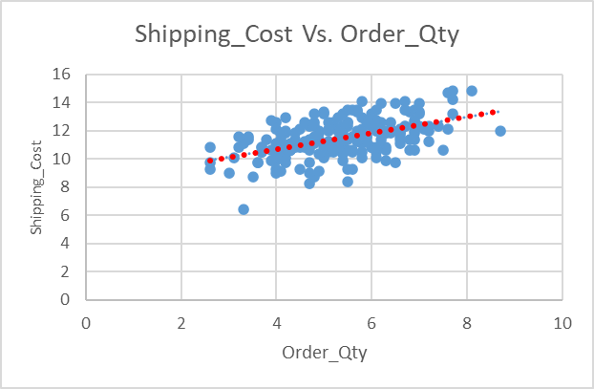
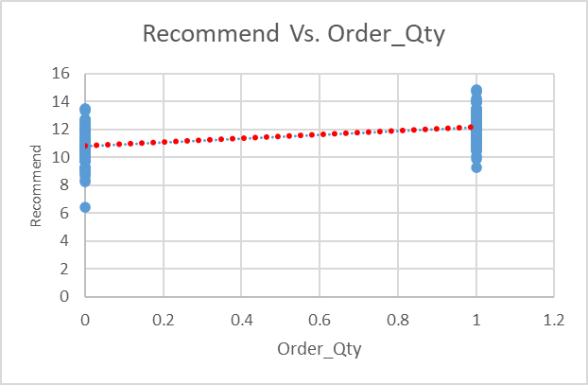
Scatter Plots between the target (Order_Qty) and other variables (Predictors)

 | Findings:
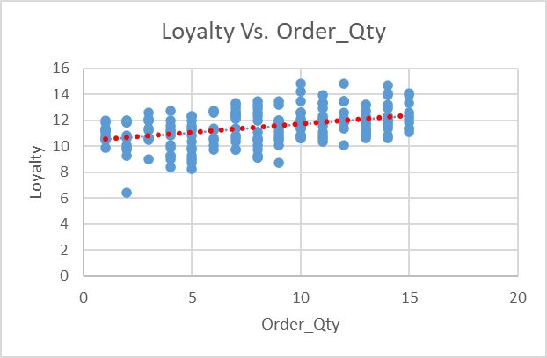
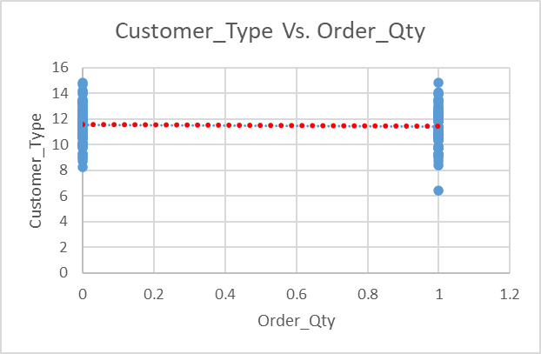
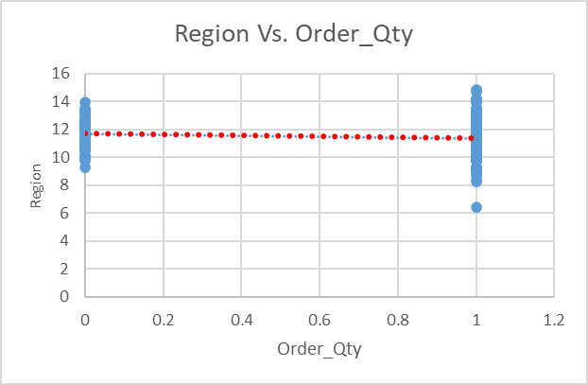
 | The relationship between Quality and Order Quantity seems to be non-linear which will be validated in later stage of of model building to avoid early overfitting | The relationship between order quantity with comp_pricing, order_fulfillment and shipping speed seem non linear but they will be further investigted in the later parts of model development
 | Remaining variables are linearlay related with the target variable

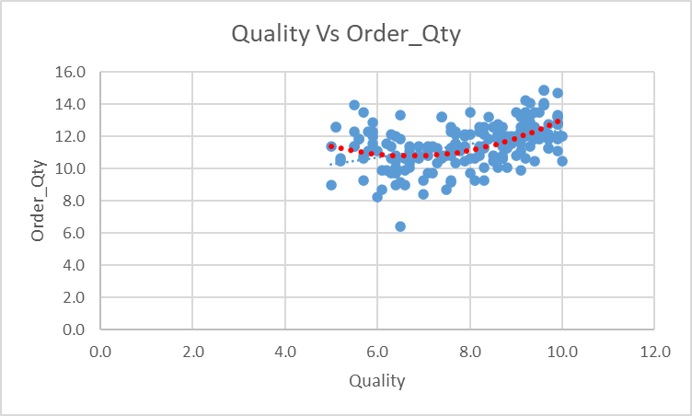

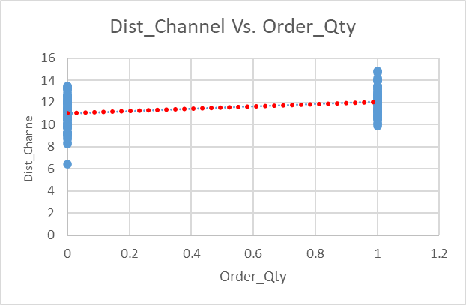
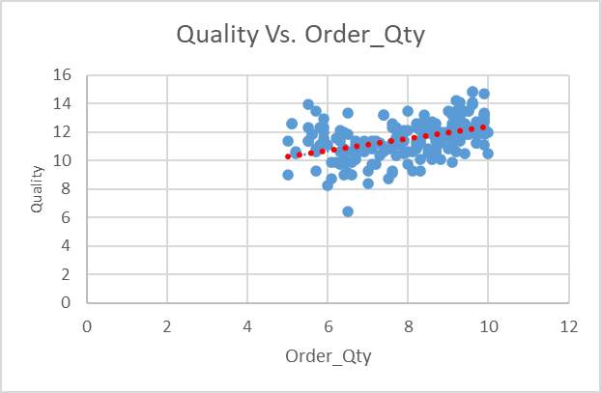
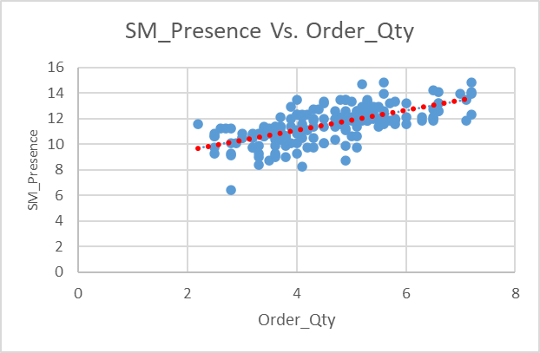

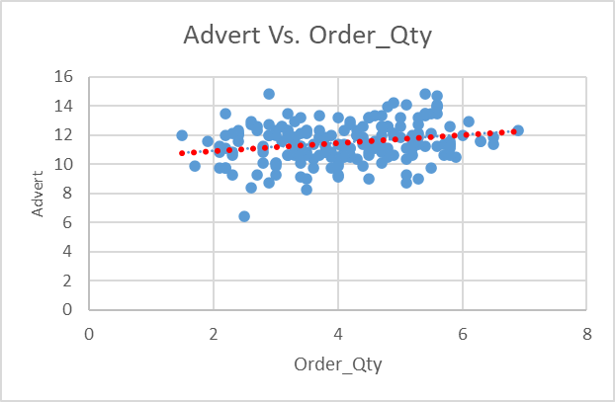
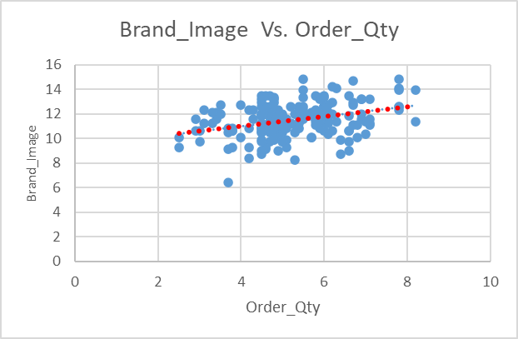
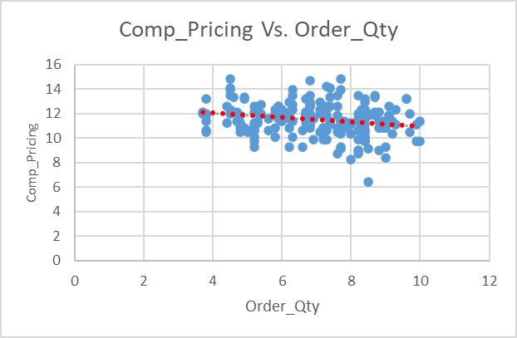

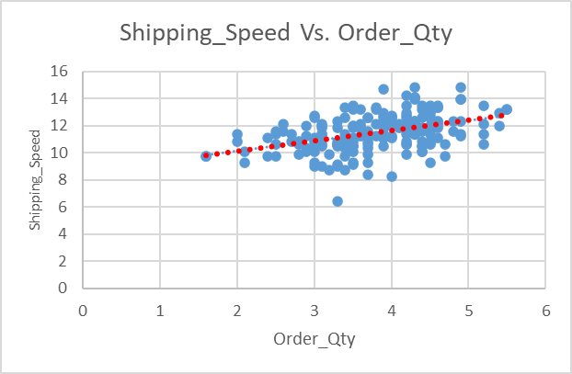
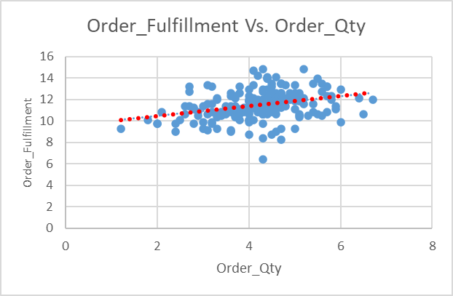
Flex_Price Vs. Order_Qty
 | Order_Qty
9 | 10.5
1 | 11.85
6 | 10.05
2 | 9.9
8 | 10.65
15 | 12.15
15 | 12.6
13 | 10.8
4 | 8.4
7 | 10.35
15 | 13.95
8 | 11.1
10 | 13.5
3 | 10.5
8 | 9.3
7 | 13.35
2 | 6.45
7 | 12.9
2 | 9.3
11 | 12.15
9 | 13.5
12 | 10.05
9 | 8.7
13 | 11.1
13 | 11.25
14 | 14.7
10 | 11.55
4 | 10.05
8 | 12
13 | 11.1
11 | 10.35
10 | 12.6
12 | 12.6
7 | 12.6
4 | 10.8
2 | 11.85
13 | 11.85
3 | 12
12 | 13.5
6 | 10.5
10 | 10.8
12 | 13.5
12 | 11.85
7 | 9.75
1 | 11.4
7 | 10.65
8 | 9.15
5 | 11.4
3 | 12.6
6 | 11.25
...

Residual&Probability Plots
Quality Residual Plot
Loyalty Residual Plot
SM_Presence Residual Plot
 | RESIDUAL OUTPUT |  |  |  | PROBABILITY OUTPUT

 | Observation | Predicted Order_Qty | Residuals | Standard Residuals | Percentile | Order_Qty
 | 1 | 11.199362667 | -0.69936266666 | -0.88017982125 | 0.25 | 6.45
 | 2 | 11.368090708 | 0.48190929184 | 0.60650482871 | 0.75 | 8.25
 | 3 | 10.809749097 | -0.75974909696 | -0.95617889864 | 1.25 | 8.4
 | 4 | 10.27606371 | -0.37606370956 | -0.47329333468 | 1.75 | 8.7
 | 5 | 11.023368349 | -0.37336834906 | -0.46990110054 | 2.25 | 8.7
 | 6 | 12.250201306 | -0.10020130618 | -0.12610791505 | 2.75 | 9
 | 7 | 13.138192299 | -0.53819229853 | -0.6773395603 | 3.25 | 9
Order_Fulfillment Residual Plot
Shipping_Cost Residual Plot
 | 8 | 11.12266599 | -0.32266598997 | -0.40608986855 | 3.75 | 9
Comp_Pricing Residual Plot
 | 9 | 10.112429213 | -1.7124292131 | -2.1551702866 | 4.25 | 9.15
 | 10 | 10.310890713 | 0.039109287002 | 0.049220821876 | 4.75 | 9.15
 | 11 | 13.250519394 | 0.699480606 | 0.88032825329 | 5.25 | 9.3
 | 12 | 10.882300406 | 0.21769959383 | 0.27398487039 | 5.75 | 9.3
 | 13 | 11.788300803 | 1.7116991973 | 2.1542515283 | 6.25 | 9.3
 | 14 | 10.201060625 | 0.29893937538 | 0.37622884167 | 6.75 | 9.3
 | 15 | 10.95729589 | -1.6572958903 | -2.0857824846 | 7.25 | 9.3
 | 16 | 11.920336596 | 1.4296634041 | 1.799296616 | 7.75 | 9.75
 | 17 | 8.9284257112 | -2.4784257112 | -3.1192118245 | 8.25 | 9.75
 | 18 | 11.799585123 | 1.100414877 | 1.3849223242 | 8.75 | 9.75
 | 19 | 9.9432258111 | -0.64322581107 | -0.80952902751 | 9.25 | 9.75
 | 20 | 11.049171235 | 1.1008287649 | 1.385443221 | 9.75 | 9.75
 | 21 | 12.263582523 | 1.2364174767 | 1.5560878004 | 10.25 | 9.75
Recommend Residual Plot
 | 22 | 10.550130763 | -0.50013076303 | -0.62943738148 | 10.75 | 9.9
Normal Probability Plot
Loyalty: shows linear relationship | 23 | 10.877343502 | -2.1773435015 | -2.7402861281 | 11.25 | 9.9
Quality: more data points are concentrated on top half | 24 | 10.658830167 | 0.44116983298 | 0.55523236118 | 11.75 | 9.9
SM Presence: shows linear relationship | 25 | 11.665368321 | -0.41536832084 | -0.52275998108 | 12.25 | 9.9
Comp_pricing: variance is increasing with fitted value showing Heteroscedasticity | 26 | 13.568187883 | 1.1318121166 | 1.4244371826 | 12.75 | 10.05
Order_fulfillment: shows linear relationship | 27 | 9.8757589338 | 1.6742410662 | 2.1071087615 | 13.25 | 10.05
shipping_cost: shows linar relationship | 28 | 10.172065956 | -0.12206595601 | -0.15362557434 | 13.75 | 10.05
recommend: shows linear relationship | 29 | 11.97197301 | 0.028026989679 | 0.035273245115 | 14.25 | 10.05
The normality plost shows there is room for imporvement as it is not exaclty linear | 30 | 11.13499421 | -0.034994210101 | -0.044041809865 | 14.75 | 10.05
 | 31 | 11.330484491 | -0.98048449052 | -1.2339844615 | 15.25 | 10.05
 | 32 | 12.357821861 | 0.24217813944 | 0.30479223677 | 15.75 | 10.35
 | 33 | 11.862910643 | 0.73708935696 | 0.92766058211 | 16.25 | 10.35
 | 34 | 12.58829081 | 0.011709190441 | 0.014736550349 | 16.75 | 10.35
 | 35 | 11.020185282 | -0.22018528172 | -0.277113222 | 17.25 | 10.5
 | 36 | 11.542479708 | 0.30752029186 | 0.38702831653 | 17.75 | 10.5
 | 37 | 13.845428353 | -1.9954283526 | -2.5113376141 | 18.25 | 10.5
 | 38 | 12.51318918 | -0.51318918027 | -0.64587199531 | 18.75 | 10.5
 | 39 | 12.415293421 | 1.0847065787 | 1.3651527142 | 19.25 | 10.5
 | 40 | 10.575358971 | -0.07535897102 | -0.094842702941 | 19.75 | 10.5
 | 41 | 11.119692069 | -0.31969206907 | -0.40234705344 | 20.25 | 10.5
 | 42 | 13.189866787 | 0.31013321298 | 0.39031679696 | 20.75 | 10.65
 | 43 | 12.491207325 | -0.64120732482 | -0.80698867048 | 21.25 | 10.65
 | 44 | 10.538019467 | -0.78801946719 | -0.99175844929 | 21.75 | 10.65
 | 45 | 9.5232918466 | 1.8767081534 | 2.3619228274 | 22.25 | 10.65
 | 46 | 10.253333342 | 0.39666665768 | 0.49922308482 | 22.75 | 10.65
 | 47 | 10.814176526 | -1.6641765256 | -2.094442078 | 23.25 | 10.65
 | 48 | 10.466761073 | 0.93323892668 | 1.174523764 | 23.75 | 10.65
 | 49 | 11.897951061 | 0.70204893925 | 0.88356061786 | 24.25 | 10.65
 | 50 | 10.90497933 | 0.34502067018 | 0.43422425344 | 24.75 | 10.65
 | 51 | 11.980336583 | 0.019663416741 | 0.024747307023 | 25.25 | 10.65
 | 52 | 10.866370377 | 0.23362962316 | 0.29403353905 | 25.75 | 10.65
 | 53 | 13.333209278 | -1.4832092783 | -1.8666865414 | 26.25 | 10.65
 | 54 | 13.211554856 | 0.73844514442 | 0.92936690247 | 26.75 | 10.65
 | 55 | 12.15304377 | 0.74695623002 | 0.94007849199 | 27.25 | 10.65
 | 56 | 10.470784658 | 0.02921534175 | 0.03676884041 | 27.75 | 10.8
 | 57 | 12.203480257 | 0.096519742806 | 0.1214744996 | 28.25 | 10.8
 | 58 | 11.844803219 | 0.75519678077 | 0.95044960104 | 28.75 | 10.8
 | 59 | 12.665885525 | 0.68411447548 | 0.86098927703 | 29.25 | 10.8
 | 60 | 11.015691024 | -0.36569102441 | -0.46023883722 | 29.75 | 10.8
 | 61 | 10.317116689 | 0.93288331141 | 1.174076206 | 30.25 | 10.8
 | 62 | 13.632717632 | -1.4827176323 | -1.8660677826 | 30.75 | 10.8
 | 63 | 11.179555705 | -0.37955570495 | -0.4776881702 | 31.25 | 10.8
 | 64 | 10.985213767 | 0.26478623303 | 0.33324555395 | 31.75 | 10.8
 | 65 | 13.987555214 | -0.037555213875 | -0.047264949948 | 32.25 | 10.8
 | 66 | 12.317157775 | 0.28284222458 | 0.35596984304 | 32.75 | 10.8
 | 67 | 11.675667636 | 0.62433236351 | 0.78575076182 | 33.25 | 10.8
 | 68 | 9.8957735679 | -0.59577356791 | -0.74980821469 | 33.75 | 10.8
 | 69 | 11.164499394 | -0.064499394498 | -0.081175430469 | 34.25 | 10.8
 | 70 | 12.28175113 | 0.018248869802 | 0.022967035168 | 34.75 | 11.1
 | 71 | 12.839855823 | -1.289855823 | -1.6233423971 | 35.25 | 11.1
 | 72 | 10.65765471 | 0.44234529007 | 0.55671172755 | 35.75 | 11.1
 | 73 | 12.86633081 | -0.86633081004 | -1.0903168469 | 36.25 | 11.1
 | 74 | 10.538562766 | 0.71143723363 | 0.89537621463 | 36.75 | 11.1
 | 75 | 11.678454472 | 0.92154552816 | 1.1598070885 | 37.25 | 11.1
 | 76 | 11.078064351 | 0.32193564883 | 0.40517070091 | 37.75 | 11.1
 | 77 | 11.203893173 | 1.0961068273 | 1.3795004471 | 38.25 | 11.1
 | 78 | 13.070660431 | -0.9206604307 | -1.158693153 | 38.75 | 11.1
 | 79 | 10.967223849 | -0.46722384946 | -0.58802252953 | 39.25 | 11.25
 | 80 | 10.621704821 | -0.72170482112 | -0.9082984419 | 39.75 | 11.25
 | 81 | 10.463192702 | 0.18680729774 | 0.23510550644 | 40.25 | 11.25
 | 82 | 11.137130657 | 1.6128693426 | 2.0298696475 | 40.75 | 11.25
 | 83 | 10.094854042 | -1.0948540418 | -1.3779237594 | 41.25 | 11.25
 | 84 | 9.6262665494 | 0.12373345058 | 0.15572419233 | 41.75 | 11.25
 | 85 | 10.90297708 | -0.85297708044 | -1.073510569 | 42.25 | 11.25
 | 86 | 12.198061872 | 0.10193812756 | 0.12829378401 | 42.75 | 11.25
 | 87 | 11.32193521 | 0.67806478992 | 0.85337547176 | 43.25 | 11.25
 | 88 | 11.91043034 | 0.23956966018 | 0.30150934662 | 43.75 | 11.4
 | 89 | 12.737996923 | -1.1879969225 | -1.495148324 | 44.25 | 11.4
 | 90 | 11.903726224 | 0.39627377582 | 0.49872862507 | 44.75 | 11.4
 | 91 | 11.245532917 | -1.1955329167 | -1.5046327165 | 45.25 | 11.4
 | 92 | 10.865358191 | -0.065358191379 | -0.082256265523 | 45.75 | 11.4
 | 93 | 12.20992408 | -0.20992407968 | -0.26419903112 | 46.25 | 11.4
 | 94 | 11.910179701 | 0.089820298679 | 0.11304294353 | 46.75 | 11.4
 | 95 | 10.415908041 | -1.1159080407 | -1.4044211775 | 47.25 | 11.4
 | 96 | 12.08950277 | 0.21049723029 | 0.26492036731 | 47.75 | 11.4
 | 97 | 12.655742379 | 0.24425762057 | 0.30740935864 | 48.25 | 11.4
 | 98 | 11.2533481 | -1.5033480999 | -1.8920321672 | 48.75 | 11.4
 | 99 | 11.917162173 | 0.082837826524 | 0.10425518378 | 49.25 | 11.4
 | 100 | 11.879868089 | 1.6201319107 | 2.0390099208 | 49.75 | 11.4
 | 101 | 11.417343644 | 0.43265635562 | 0.54451776154 | 50.25 | 11.4
 | 102 | 9.6159901114 | 1.0340098886 | 1.3013486168 | 50.75 | 11.55
 | 103 | 12.594809131 | 0.75519086902 | 0.95044216083 | 51.25 | 11.55
 | 104 | 11.504770378 | 0.4952296224 | 0.6232690724 | 51.75 | 11.55
 | 105 | 10.133720439 | -1.8837204392 | -2.370748109 | 52.25 | 11.55
 | 106 | 10.106843007 | 1.1431569928 | 1.4387152268 | 52.75 | 11.55
 | 107 | 9.8809649788 | -1.1809649788 | -1.4862983019 | 53.25 | 11.55
 | 108 | 11.400830105 | -0.00083010453893 | -0.001044724432 | 53.75 | 11.55
 | 109 | 11.003151912 | 0.096848087698 | 0.12188773662 | 54.25 | 11.85
 | 110 | 12.120509648 | 0.47949035168 | 0.60346048217 | 54.75 | 11.85
 | 111 | 10.322991293 | 1.0770087069 | 1.3554645913 | 55.25 | 11.85
 | 112 | 10.809783695 | -0.0097836948176 | -0.012313226265 | 55.75 | 11.85
 | 113 | 10.661851221 | 0.13814877887 | 0.17386654062 | 56.25 | 11.85
 | 114 | 10.577061583 | 0.82293841694 | 1.0357055406 | 56.75 | 11.85
 | 115 | 14.38605299 | -0.28605299013 | -0.36001073796 | 57.25 | 11.85
 | 116 | 11.686579263 | 0.61342073715 | 0.77201798225 | 57.75 | 11.85
 | 117 | 12.015924026 | 0.13407597382 | 0.16874072966 | 58.25 | 11.85
 | 118 | 11.076156458 | -0.57615645803 | -0.72511918696 | 58.75 | 11.85
 | 119 | 13.016087845 | 0.33391215484 | 0.4202436801 | 59.25 | 11.85
 | 120 | 9.966744942 | 0.83325505796 | 1.0486895039 | 59.75 | 11.85
 | 121 | 14.592645548 | 0.25735445249 | 0.32389231909 | 60.25 | 11.85
 | 122 | 10.578749895 | 0.82125010458 | 1.0335807224 | 60.75 | 12
 | 123 | 10.811353238 | 0.43864676179 | 0.552056961 | 61.25 | 12
 | 124 | 13.415867394 | 0.68413260643 | 0.86101209565 | 61.75 | 12
 | 125 | 10.074622362 | 0.72537763788 | 0.91292084935 | 62.25 | 12
 | 126 | 10.267333362 | -0.36733336153 | -0.46230579341 | 62.75 | 12
 | 127 | 11.70283663 | -0.3028366299 | -0.38113371428 | 63.25 | 12
 | 128 | 10.784441475 | -0.13444147473 | -0.16920072923 | 63.75 | 12
 | 129 | 11.48191333 | -0.23191332976 | -0.29187350551 | 64.25 | 12
 | 130 | 10.831715345 | -0.1817153448 | -0.22869705137 | 64.75 | 12
 | 131 | 10.127214424 | -0.82721442359 | -1.04108709 | 65.25 | 12
 | 132 | 11.939079494 | -0.089079494086 | -0.11211060716 | 65.75 | 12
 | 133 | 11.277757125 | 0.72224287533 | 0.90897560768 | 66.25 | 12
 | 134 | 9.6240357199 | 1.1759642801 | 1.4800046946 | 66.75 | 12
 | 135 | 11.222013584 | -0.12201358405 | -0.15355966185 | 67.25 | 12
 | 136 | 11.834235622 | 0.31576437764 | 0.39740387458 | 67.75 | 12.15
 | 137 | 11.563175654 | -0.013175653512 | -0.016582161025 | 68.25 | 12.15
 | 138 | 11.783428078 | -0.38342807847 | -0.48256172892 | 68.75 | 12.15
 | 139 | 12.594049232 | -0.44404923197 | -0.55885621618 | 69.25 | 12.15
 | 140 | 10.54986085 | -0.64986085026 | -0.81787952702 | 69.75 | 12.15
 | 141 | 11.675043748 | 0.17495625169 | 0.22019042435 | 70.25 | 12.15
 | 142 | 13.785687036 | 0.4643129641 | 0.5843590475 | 70.75 | 12.15
 | 143 | 11.79822219 | 0.051777809814 | 0.06516473578 | 71.25 | 12.15
 | 144 | 11.167341777 | -0.36734177708 | -0.46231638477 | 71.75 | 12.15
 | 145 | 12.157941327 | 0.59205867329 | 0.74513285033 | 72.25 | 12.15
 | 146 | 11.982981502 | 0.31701849768 | 0.39898224187 | 72.75 | 12.3
 | 147 | 11.71224586 | -0.16224585998 | -0.20419381652 | 73.25 | 12.3
 | 148 | 12.794166652 | -0.64416665176 | -0.81071311844 | 73.75 | 12.3
 | 149 | 10.342227367 | 0.15777263332 | 0.1985640567 | 74.25 | 12.3
 | 150 | 11.593012033 | -0.19301203283 | -0.24291444862 | 74.75 | 12.3
 | 151 | 12.172186974 | -0.32218697407 | -0.40548700519 | 75.25 | 12.3
 | 152 | 13.23551998 | -0.035519980254 | -0.044703515588 | 75.75 | 12.3
 | 153 | 11.537499975 | 1.062500025 | 1.3372047533 | 76.25 | 12.3
 | 154 | 9.9127303532 | -0.16273035315 | -0.20480357328 | 76.75 | 12.3
 | 155 | 13.295898251 | 1.5541017492 | 1.9559079502 | 77.25 | 12.3
 | 156 | 12.658491019 | 0.54150898084 | 0.68151375629 | 77.75 | 12.3
 | 157 | 10.491967357 | 0.30803264267 | 0.38767313339 | 78.25 | 12.6
 | 158 | 12.551344736 | 0.19865526414 | 0.25001671267 | 78.75 | 12.6
 | 159 | 10.226000702 | 0.12399929761 | 0.15605877295 | 79.25 | 12.6
 | 160 | 10.89025174 | -0.090251739829 | -0.1135859319 | 79.75 | 12.6
 | 161 | 11.096243843 | -1.0462438429 | -1.3167456065 | 80.25 | 12.6
 | 162 | 11.3757245 | -0.72572450035 | -0.91335739159 | 80.75 | 12.6
 | 163 | 12.963504262 | 0.23649573826 | 0.29764067565 | 81.25 | 12.6
 | 164 | 11.018254348 | -0.36825434831 | -0.46346489729 | 81.75 | 12.6
 | 165 | 11.014265466 | 0.53573453431 | 0.67424635189 | 82.25 | 12.6
 | 166 | 12.479063096 | -0.47906309643 | -0.60292276194 | 82.75 | 12.6
 | 167 | 11.853835836 | -0.45383583637 | -0.57117310428 | 83.25 | 12.6
 | 168 | 12.218146168 | -0.36814616802 | -0.46332874745 | 83.75 | 12.75
 | 169 | 10.183276276 | -0.43327627558 | -0.54529795909 | 84.25 | 12.75
 | 170 | 10.368085166 | 0.28191483444 | 0.35480268023 | 84.75 | 12.75
 | 171 | 11.268216556 | 0.73178344376 | 0.92098284828 | 85.25 | 12.75
 | 172 | 11.173864209 | 0.2261357914 | 0.2846022099 | 85.75 | 12.9
 | 173 | 11.461878108 | 0.088121892496 | 0.11090542187 | 86.25 | 12.9
 | 174 | 11.478133631 | 1.4218663686 | 1.7894836911 | 86.75 | 12.9
 | 175 | 9.5875551215 | -0.58755512152 | -0.73946492498 | 87.25 | 12.9
 | 176 | 10.823601542 | 0.27639845775 | 0.34786006851 | 87.75 | 13.2
 | 177 | 9.5185842169 | -0.5185842169 | -0.65266189503 | 88.25 | 13.2
 | 178 | 13.634931805 | -1.3349318052 | -1.680072577 | 88.75 | 13.2
 | 179 | 12.049017573 | 0.10098242708 | 0.12709099135 | 89.25 | 13.2
 | 180 | 11.754807703 | 0.54519229681 | 0.68614937748 | 89.75 | 13.2
 | 181 | 11.931095084 | 0.66890491633 | 0.84184735297 | 90.25 | 13.2
 | 182 | 12.047984762 | -0.64798476246 | -0.81551838494 | 90.75 | 13.35
 | 183 | 10.090200546 | 0.55979945416 | 0.70453315138 | 91.25 | 13.35
 | 184 | 12.944544323 | 0.25545567688 | 0.32150262336 | 91.75 | 13.35
 | 185 | 11.879041656 | -0.62904165635 | -0.7916776217 | 92.25 | 13.35
 | 186 | 12.226799869 | 0.97320013122 | 1.224816763 | 92.75 | 13.5
 | 187 | 11.045577629 | -0.39557762909 | -0.49785249265 | 93.25 | 13.5
 | 188 | 12.700570691 | -1.3005706912 | -1.6368275475 | 93.75 | 13.5
 | 189 | 10.475722434 | 0.17427756631 | 0.21933626782 | 94.25 | 13.5
 | 190 | 13.266092113 | -1.2660921129 | -1.5934346839 | 94.75 | 13.5
 | 191 | 9.7556862099 | -0.60568620988 | -0.76228372683 | 95.25 | 13.5
 | 192 | 12.253662205 | -1.6036622054 | -2.0182820454 | 95.75 | 13.95
 | 193 | 12.232873281 | -0.23287328088 | -0.29308164777 | 96.25 | 13.95
 | 194 | 10.730752679 | 0.069247320579 | 0.087150912045 | 96.75 | 13.95
 | 195 | 12.446427978 | -0.59642797763 | -0.75063181918 | 97.25 | 14.1
 | 196 | 12.899410187 | -0.14941018719 | -0.18803953675 | 97.75 | 14.1
 | 197 | 12.68966936 | 0.51033063983 | 0.64227439175 | 98.25 | 14.25
 | 198 | 10.742613385 | -0.99261338452 | -1.2492492279 | 98.75 | 14.7
 | 199 | 12.903345772 | -1.0533457716 | -1.3256837077 | 99.25 | 14.85
 | 200 | 11.817821031 | 1.6821789685 | 2.1170989737 | 99.75 | 14.85

R9-final
Loyalty Residual Plot
Quality^2 Residual Plot
SM_Presence Residual Plot
ID | Loyalty | Quality^2 | SM_Presence | Comp_Pricing | Order_Fulfillment | Shipping_Cost | Recommend | Order_Qty
9835-ZIITK | 9 | 72.3 | 3 | 4.8 | 5.3 | 5.8 | 1 | 10.5
2925-VDZHY | 1 | 74.0 | 6.3 | 6.7 | 4.8 | 4.2 | 0 | 11.9 | SUMMARY OUTPUT
6338-AVWCY | 6 | 44.9 | 4 | 8.4 | 2.5 | 5.0 | 0 | 10.1 |  |  |  | Final Model
2988-QRAJY | 2 | 43.6 | 3.6 | 7.2 | 3.2 | 4.0 | 1 | 9.9 | Regression Statistics
8331-ZXFOE | 8 | 32.5 | 3.8 | 8.2 | 6.5 | 7.5 | 1 | 10.6 | Multiple R | 0.81 |  | 65% of variation is explain by attributes in model and remaining are not present in the model
3258-SANFR | 15 | 68.9 | 5.2 | 5.3 | 4.1 | 4.0 | 1 | 12.1 | R Square | 0.65 |  | F <0.05 explain the significance of overall mode stating at least one attribute is significant
2516-XSJKX | 15 | 26.0 | 6.6 | 5.9 | 4.9 | 6.9 | 1 | 12.6 | Adjusted R Square | 0.64 |  | Further, all attributes are established as significant lookin at the p-vale <0.05
7537-CBQUZ | 13 | 72.3 | 3 | 4.8 | 5.7 | 6.0 | 0 | 10.8 | Standard Error | 0.81 |  | The model improved as the F score has improved from 27.84 to 50.85
8008-ESFLK | 4 | 49.0 | 3.3 | 9.0 | 4.3 | 5.5 | 0 | 8.4 | Observations | 200.00 |  | The model can still be improved by removing heterodestacity observed in comp_pricing, taking more sampes,etc
3190-ITQXP | 7 | 53.3 | 3.6 | 8.0 | 3.3 | 4.0 | 0 | 10.4 |  |  |  | Loyalty, quality, sm presence, shipping cost and recommend positively influence order
3831-YCPUO | 15 | 92.2 | 5.6 | 7.7 | 4.4 | 6.5 | 1 | 14.0 | ANOVA |  |  | pricing and order fulfillment has negative effect on the order quantity
Comp_Pricing Residual Plot
Order_Fulfillment Residual Plot
Shipping_Cost Residual Plot
9114-DPSIA | 8 | 82.8 | 3.6 | 8.3 | 4.6 | 5.4 | 0 | 11.1 |  | df | SS | MS | F | Significance F
4750-UKWJK | 10 | 64.0 | 4.8 | 8.7 | 4.7 | 5.7 | 1 | 13.5 | Regression | 7.00 | 232.07 | 33.15 | 50.85 | 0.00
7353-YOWFP | 3 | 41.0 | 3.6 | 7.1 | 5.6 | 6.1 | 0 | 10.5 | Residual | 192.00 | 125.17 | 0.65
6328-ZPBGN | 8 | 49.0 | 3.3 | 9.0 | 3.3 | 5.6 | 1 | 9.3 | Total | 199.00 | 357.24
5119-KEPFY | 7 | 98.0 | 4.5 | 4.9 | 3.1 | 5.0 | 0 | 13.4
8111-RKSPX | 2 | 42.3 | 2.8 | 8.5 | 4.3 | 3.3 | 0 | 6.4 |  | Coefficients | Standard Error | t Stat | P-value | Lower 95% | Upper 95% | Lower 95.0% | Upper 95.0%
8033-VCZGH | 7 | 86.5 | 3.9 | 6.2 | 4.0 | 5.8 | 1 | 12.9 | Intercept | 7.48 | 0.51 | 14.56 | 0.00 | 6.47 | 8.49 | 6.47 | 8.49
0519-XUZJU | 2 | 65.6 | 2.5 | 6.6 | 3.0 | 4.5 | 0 | 9.3 | Loyalty | 0.07 | 0.01 | 4.68 | 0.00 | 0.04 | 0.10 | 0.04 | 0.10
3387-PLKUI | 11 | 59.3 | 3.7 | 6.2 | 3.3 | 4.5 | 0 | 12.1 | Quality^2 | 0.01 | 0.00 | 3.75 | 0.00 | 0.01 | 0.02 | 0.01 | 0.02
5671-UUNXD | 9 | 81.0 | 4.9 | 6.8 | 4.5 | 6.9 | 0 | 13.5 | SM_Presence | 0.49 | 0.06 | 8.00 | 0.00 | 0.37 | 0.61 | 0.37 | 0.61
Quality^2 Line Fit Plot
1260-TTRXI | 12 | 74.0 | 2.9 | 6.3 | 4.0 | 4.0 | 0 | 10.1 | Comp_Pricing | -0.09 | 0.04 | -2.25 | 0.03 | -0.18 | -0.01 | -0.18 | -0.01
Recommend Residual Plot
Loyalty Line Fit Plot
9253-QXKBE | 9 | 37.2 | 4.9 | 8.2 | 4.5 | 4.8 | 0 | 8.7 | Order_Fulfillment | -0.21 | 0.09 | -2.41 | 0.02 | -0.39 | -0.04 | -0.39 | -0.04
1585-MQSSU | 13 | 33.6 | 3.6 | 9.3 | 5.9 | 6.6 | 0 | 11.1 | Shipping_Cost | 0.34 | 0.07 | 4.87 | 0.00 | 0.20 | 0.48 | 0.20 | 0.48
3460-TJBWI | 13 | 67.2 | 2.7 | 5.3 | 3.9 | 7.2 | 0 | 11.3 | Recommend | 0.33 | 0.14 | 2.38 | 0.02 | 0.06 | 0.59 | 0.06 | 0.59
4523-WXCEF | 14 | 98.0 | 5.2 | 6.8 | 4.1 | 7.6 | 1 | 14.7
1095-JUDTC | 10 | 59.3 | 2.2 | 6.2 | 3.2 | 3.4 | 0 | 11.6 | eqn: 7.48+0.07*loyalty+0.01*quality^2+0.49*SM+presence-0.09*Comp_pricing-0.21*order_fulfillment+0.34*shipping_cost+0.33*recommend
5010-IPEAQ | 4 | 68.9 | 2.8 | 5.2 | 1.8 | 3.1 | 0 | 10.1
5857-XRECV | 8 | 79.2 | 5.8 | 8.2 | 5.0 | 5.7 | 0 | 12.0 | RESIDUAL OUTPUT |  |  |  |  | PROBABILITY OUTPUT
3845-FXCYS | 13 | 36.0 | 4.1 | 8.0 | 4.3 | 5.8 | 0 | 11.1
7153-CHRBV | 11 | 59.3 | 4.7 | 7.7 | 5.1 | 5.4 | 0 | 10.4 | Observation | Predicted Order_Qty | Residuals | Standard Residuals |  | Percentile | Order_Qty
1468-DEFNC | 10 | 72.3 | 5.4 | 6.8 | 4.4 | 5.5 | 1 | 12.6 | 1.00 | 11.19 | -0.69 | -0.87 |  | 0.25 | 6.45
6379-RXJRQ | 12 | 67.2 | 5.1 | 5.2 | 4.7 | 4.0 | 1 | 12.6 | 2.00 | 11.34 | 0.51 | 0.64 |  | 0.75 | 8.25
Order_Fulfillment Line Fit Plot
2867-UIMSS | 7 | 88.4 | 5.6 | 7.6 | 4.7 | 6.4 | 1 | 12.6 | 3.00 | 10.80 | -0.75 | -0.95 |  | 1.25 | 8.40
SM_Presence Line Fit Plot
Comp_Pricing Line Fit Plot
2887-JPYLU | 4 | 32.5 | 4 | 6.2 | 4.2 | 6.0 | 1 | 10.8 | 4.00 | 10.26 | -0.36 | -0.45 |  | 1.75 | 8.70
7779-ORAEL | 2 | 94.1 | 4.3 | 4.8 | 4.0 | 5.8 | 0 | 11.9 | 5.00 | 11.04 | -0.39 | -0.49 |  | 2.25 | 8.70
3752-CQSJI | 13 | 90.3 | 7.1 | 7.6 | 5.1 | 6.9 | 1 | 11.9 | 6.00 | 12.23 | -0.08 | -0.10 |  | 2.75 | 9.00
3627-FCRDW | 3 | 84.6 | 4.9 | 4.5 | 4.2 | 6.9 | 1 | 12.0 | 7.00 | 13.16 | -0.56 | -0.70 |  | 3.25 | 9.00
5917-HBSDW | 12 | 84.6 | 4.9 | 4.5 | 5.4 | 5.6 | 1 | 13.5 | 8.00 | 11.12 | -0.32 | -0.40 |  | 3.75 | 9.00
4819-HJPIW | 6 | 62.4 | 3 | 9.7 | 3.4 | 5.1 | 1 | 10.5 | 9.00 | 10.10 | -1.70 | -2.15 |  | 4.25 | 9.15
4718-WXBGI | 10 | 57.8 | 2.5 | 5.8 | 4.4 | 6.3 | 1 | 10.8 | 10.00 | 10.30 | 0.05 | 0.06 |  | 4.75 | 9.15
5553-AOINX | 12 | 90.3 | 7.1 | 7.6 | 5.6 | 5.5 | 1 | 13.5 | 11.00 | 13.28 | 0.67 | 0.85 |  | 5.25 | 9.30
6218-KNUBD | 12 | 77.4 | 5 | 6.7 | 4.0 | 6.6 | 0 | 11.9 | 12.00 | 10.91 | 0.19 | 0.25 |  | 5.75 | 9.30
9638-JIQYA | 7 | 51.8 | 4.3 | 10.0 | 3.2 | 4.2 | 0 | 9.8 | 13.00 | 11.77 | 1.73 | 2.18 |  | 6.25 | 9.30
0644-OQMDK | 1 | 25.0 | 3.6 | 8.2 | 3.7 | 4.4 | 0 | 11.4 | 14.00 | 10.19 | 0.31 | 0.39 |  | 6.75 | 9.30
Shipping_Cost Line Fit Plot
Recommend Line Fit Plot
Normal Probability Plot
6096-EGVTU | 7 | 43.6 | 3.6 | 7.2 | 3.5 | 4.1 | 0 | 10.6 | 15.00 | 10.95 | -1.65 | -2.08 |  | 7.25 | 9.30
8654-DHAOW | 8 | 57.8 | 3.6 | 7.7 | 3.1 | 4.9 | 0 | 9.1 | 16.00 | 11.96 | 1.39 | 1.75 |  | 7.75 | 9.75
3154-CFSZG | 5 | 30.3 | 3.7 | 6.0 | 4.3 | 5.7 | 0 | 11.4 | 17.00 | 8.93 | -2.48 | -3.13 |  | 8.25 | 9.75
6646-VRFOL | 3 | 72.3 | 5.4 | 6.8 | 5.0 | 5.9 | 1 | 12.6 | 18.00 | 11.81 | 1.09 | 1.37 |  | 8.75 | 9.75
9000-PLFUZ | 6 | 77.4 | 3.5 | 6.7 | 4.1 | 5.4 | 0 | 11.3 | 19.00 | 9.94 | -0.64 | -0.80 |  | 9.25 | 9.75
7445-WMRBW | 1 | 34.8 | 5.5 | 8.4 | 5.8 | 8.7 | 1 | 12.0 | 20.00 | 11.03 | 1.12 | 1.41 |  | 9.75 | 9.75
2378-HTWFW | 11 | 67.2 | 3.6 | 5.2 | 4.0 | 4.0 | 0 | 11.1 | 21.00 | 12.26 | 1.24 | 1.56 |  | 10.25 | 9.75
2279-AXJJK | 9 | 94.1 | 6.5 | 6.8 | 4.4 | 6.3 | 1 | 11.9 | 22.00 | 10.56 | -0.51 | -0.64 |  | 10.75 | 9.90
4700-UBQMV | 14 | 30.3 | 7 | 6.3 | 5.5 | 7.0 | 1 | 14.0 | 23.00 | 10.88 | -2.18 | -2.75 |  | 11.25 | 9.90
3413-CSSTH | 11 | 98.0 | 5.2 | 6.8 | 4.3 | 4.2 | 1 | 12.9 | 24.00 | 10.69 | 0.41 | 0.52 |  | 11.75 | 9.90
9714-EDSUC | 8 | 27.0 | 3.8 | 8.4 | 3.3 | 5.2 | 0 | 10.5 | 25.00 | 11.66 | -0.41 | -0.52 |  | 12.25 | 9.90
5774-QPLTF | 14 | 57.8 | 4 | 5.8 | 3.6 | 6.0 | 1 | 12.3 | 26.00 | 13.61 | 1.09 | 1.37 |  | 12.75 | 10.05
3058-WQDRE | 10 | 57.8 | 5.1 | 4.4 | 4.4 | 5.2 | 0 | 12.6 | 27.00 | 9.87 | 1.68 | 2.11 |  | 13.25 | 10.05
1228-ZLNBX | 15 | 42.3 | 5.8 | 8.7 | 5.0 | 6.8 | 1 | 13.4 | 28.00 | 10.17 | -0.12 | -0.15 |  | 13.75 | 10.05
5095-AESKG | 1 | 75.7 | 3.2 | 4.9 | 4.3 | 6.8 | 0 | 10.6 | 29.00 | 11.97 | 0.03 | 0.04 |  | 14.25 | 10.05
9190-MFJLN | 5 | 53.3 | 3.6 | 8.0 | 2.8 | 4.1 | 0 | 11.3 | 30.00 | 11.15 | -0.05 | -0.06 |  | 14.75 | 10.05
0080-EMYVY | 7 | 94.1 | 6.5 | 6.7 | 3.7 | 7.1 | 1 | 12.1 | 31.00 | 11.31 | -0.96 | -1.21 |  | 15.25 | 10.05
4487-ZYJZK | 9 | 81.0 | 3.4 | 6.8 | 3.9 | 4.6 | 1 | 10.8 | 32.00 | 12.34 | 0.26 | 0.33 |  | 15.75 | 10.35
5349-IECLD | 1 | 57.8 | 3.6 | 4.4 | 4.6 | 5.8 | 1 | 11.3 | 33.00 | 11.84 | 0.76 | 0.96 |  | 16.25 | 10.35
0870-VEMYL | 11 | 92.2 | 7.2 | 4.5 | 4.4 | 6.2 | 1 | 14.0 | 34.00 | 12.60 | 0.00 | 0.00 |  | 16.75 | 10.35
6776-TLWOI | 7 | 26.0 | 6.6 | 5.9 | 5.1 | 6.2 | 1 | 12.6 | 35.00 | 11.02 | -0.22 | -0.28 |  | 17.25 | 10.50
4770-QAZXN | 8 | 34.8 | 5.6 | 8.4 | 5.7 | 7.2 | 0 | 12.3 | 36.00 | 11.57 | 0.28 | 0.35 |  | 17.75 | 10.50
1555-DJEQW | 4 | 57.8 | 3.6 | 7.7 | 4.7 | 4.0 | 0 | 9.3 | 37.00 | 13.85 | -2.00 | -2.53 |  | 18.25 | 10.50
4937-QPZPO | 4 | 98.0 | 3.7 | 6.8 | 5.0 | 5.3 | 1 | 11.1 | 38.00 | 12.50 | -0.50 | -0.63 |  | 18.75 | 10.50
4884-ZTHVF | 7 | 67.2 | 4.2 | 5.3 | 4.5 | 7.4 | 1 | 12.3 | 39.00 | 12.42 | 1.08 | 1.37 |  | 19.25 | 10.50
7609-NRNCA | 14 | 79.2 | 5.8 | 8.2 | 4.2 | 5.6 | 1 | 11.6 | 40.00 | 10.57 | -0.07 | -0.09 |  | 19.75 | 10.50
6383-ZTSIW | 13 | 50.4 | 4.2 | 9.9 | 2.8 | 3.3 | 0 | 11.1 | 41.00 | 11.10 | -0.30 | -0.38 |  | 20.25 | 10.50
6599-SFQVE | 4 | 100.0 | 5.8 | 3.8 | 5.0 | 6.3 | 1 | 12.0 | 42.00 | 13.20 | 0.30 | 0.38 |  | 20.75 | 10.65
5716-LIBJC | 4 | 94.1 | 2.8 | 4.8 | 4.7 | 5.1 | 0 | 11.3 | 43.00 | 12.49 | -0.64 | -0.80 |  | 21.25 | 10.65
7562-GSUHK | 7 | 82.8 | 5.3 | 7.3 | 4.5 | 5.1 | 0 | 12.6 | 44.00 | 10.53 | -0.78 | -0.98 |  | 21.75 | 10.65
3363-EWLGO | 15 | 44.9 | 3.7 | 9.2 | 3.5 | 5.3 | 0 | 11.4 | 45.00 | 9.58 | 1.82 | 2.30 |  | 22.25 | 10.65
2580-ATZSQ | 7 | 30.3 | 5.2 | 6.0 | 4.5 | 5.4 | 0 | 12.3 | 46.00 | 10.25 | 0.40 | 0.51 |  | 22.75 | 10.65
8319-QBEHW | 10 | 86.5 | 5 | 4.6 | 5.2 | 7.6 | 1 | 12.1 | 47.00 | 10.80 | -1.65 | -2.08 |  | 23.25 | 10.65
1397-XKKWR | 1 | 100.0 | 4.3 | 3.8 | 3.7 | 3.7 | 0 | 10.5 | 48.00 | 10.49 | 0.91 | 1.15 |  | 23.75 | 10.65
2868-LLSKM | 1 | 82.8 | 3.8 | 7.3 | 6.0 | 6.3 | 0 | 9.9 | 49.00 | 11.87 | 0.73 | 0.92 |  | 24.25 | 10.65
4077-CROMM | 10 | 54.8 | 3.4 | 7.2 | 4.0 | 4.3 | 0 | 10.6 | 50.00 | 10.91 | 0.34 | 0.43 |  | 24.75 | 10.65
3097-NQYSN | 6 | 74.0 | 4.4 | 6.3 | 2.7 | 3.9 | 0 | 12.8 | 51.00 | 11.96 | 0.04 | 0.05 |  | 25.25 | 10.65
4903-UYAVB | 5 | 43.6 | 3.8 | 8.2 | 4.6 | 4.7 | 0 | 9.0 | 52.00 | 10.86 | 0.24 | 0.31 |  | 25.75 | 10.65
5385-SUIRI | 2 | 41.0 | 3.2 | 8.4 | 2.4 | 3.6 | 0 | 9.8 | 53.00 | 13.35 | -1.50 | -1.89 |  | 26.25 | 10.65
2856-NNASM | 2 | 77.4 | 3.9 | 5.8 | 3.8 | 4.2 | 1 | 10.1 | 54.00 | 13.21 | 0.74 | 0.94 |  | 26.75 | 10.65
0118-JPNOY | 15 | 82.8 | 5.2 | 7.3 | 3.7 | 4.7 | 0 | 12.3 | 55.00 | 12.20 | 0.70 | 0.88 |  | 27.25 | 10.65
9625-QNLUX | 2 | 75.7 | 4.7 | 6.8 | 4.3 | 4.9 | 1 | 12.0 | 56.00 | 10.52 | -0.02 | -0.02 |  | 27.75 | 10.80
0224-NIJLP | 14 | 94.1 | 4.1 | 5.2 | 4.6 | 5.3 | 0 | 12.1 | 57.00 | 12.18 | 0.12 | 0.15 |  | 28.25 | 10.80
9881-VCZEP | 13 | 82.8 | 6 | 8.4 | 5.4 | 5.9 | 1 | 11.6 | 58.00 | 11.81 | 0.79 | 1.00 |  | 28.75 | 10.80
5025-GOOKI | 7 | 84.6 | 5.4 | 7.1 | 4.5 | 5.5 | 0 | 12.3 | 59.00 | 12.65 | 0.70 | 0.89 |  | 29.25 | 10.80
8859-DZTGQ | 9 | 41.0 | 4.5 | 8.4 | 4.1 | 6.1 | 0 | 10.1 | 60.00 | 11.00 | -0.35 | -0.45 |  | 29.75 | 10.80
7337-CINUD | 7 | 67.2 | 3.6 | 9.0 | 4.5 | 5.2 | 1 | 10.8 | 61.00 | 10.30 | 0.95 | 1.19 |  | 30.25 | 10.80
3039-MJSLN | 9 | 74.0 | 5.1 | 3.7 | 5.0 | 6.1 | 0 | 12.0 | 62.00 | 13.65 | -1.50 | -1.89 |  | 30.75 | 10.80
9090-SGQXL | 10 | 86.5 | 3.9 | 6.2 | 6.7 | 7.2 | 1 | 12.0 | 63.00 | 11.19 | -0.39 | -0.50 |  | 31.25 | 10.80
5081-NWSUP | 5 | 32.5 | 4 | 6.2 | 5.0 | 5.5 | 0 | 9.3 | 64.00 | 10.95 | 0.30 | 0.38 |  | 31.75 | 10.80
2868-MZAGQ | 13 | 82.8 | 5.1 | 8.3 | 4.6 | 4.8 | 1 | 12.3 | 65.00 | 13.99 | -0.04 | -0.05 |  | 32.25 | 10.80
4627-MIHJH | 14 | 84.6 | 5.4 | 7.1 | 4.4 | 5.3 | 1 | 12.9 | 66.00 | 12.33 | 0.27 | 0.34 |  | 32.75 | 10.80
6981-TDRFT | 8 | 39.7 | 5.1 | 8.4 | 2.8 | 4.7 | 0 | 9.8 | 67.00 | 11.67 | 0.63 | 0.79 |  | 33.25 | 10.80
5222-IMUKT | 3 | 98.0 | 4.3 | 5.4 | 4.0 | 5.8 | 1 | 12.0 | 68.00 | 9.88 | -0.58 | -0.73 |  | 33.75 | 10.80
3920-HIHMQ | 8 | 88.4 | 4 | 6.3 | 4.7 | 6.1 | 1 | 13.5 | 69.00 | 11.21 | -0.11 | -0.14 |  | 34.25 | 10.80
3069-SSVSN | 12 | 31.4 | 4.9 | 9.1 | 4.5 | 6.3 | 0 | 11.9 | 70.00 | 12.25 | 0.05 | 0.06 |  | 34.75 | 11.10
8559-CIZFV | 1 | 27.0 | 3.8 | 8.4 | 4.3 | 4.7 | 0 | 10.6 | 71.00 | 12.84 | -1.29 | -1.62 |  | 35.25 | 11.10
7568-PODML | 11 | 86.5 | 5.3 | 7.4 | 4.1 | 5.7 | 1 | 13.4 | 72.00 | 10.66 | 0.44 | 0.56 |  | 35.75 | 11.10
0401-WDBXM | 2 | 77.4 | 5.4 | 5.8 | 4.4 | 5.1 | 0 | 12.0 | 73.00 | 12.89 | -0.89 | -1.12 |  | 36.25 | 11.10
6595-YGXIT | 5 | 36.0 | 4.1 | 8.0 | 4.7 | 4.7 | 0 | 8.3 | 74.00 | 10.58 | 0.67 | 0.84 |  | 36.75 | 11.10
8364-TRMMK | 3 | 57.8 | 3.6 | 7.4 | 4.5 | 4.6 | 0 | 11.3 | 75.00 | 11.68 | 0.92 | 1.16 |  | 37.25 | 11.10
8085-MSNLK | 5 | 56.3 | 3.5 | 7.6 | 4.0 | 3.5 | 0 | 8.7 | 76.00 | 11.08 | 0.32 | 0.40 |  | 37.75 | 11.10
0356-ERHVT | 3 | 62.4 | 3.9 | 4.7 | 4.1 | 5.8 | 1 | 11.4 | 77.00 | 11.21 | 1.09 | 1.37 |  | 38.25 | 11.10
8990-YOZLV | 15 | 57.8 | 3.6 | 7.4 | 4.4 | 4.8 | 0 | 11.1 | 78.00 | 13.07 | -0.92 | -1.16 |  | 38.75 | 11.10
8573-CGOCC | 8 | 86.5 | 5.3 | 7.4 | 3.6 | 4.6 | 1 | 12.6 | 79.00 | 11.01 | -0.51 | -0.64 |  | 39.25 | 11.25
0475-RIJEP | 10 | 47.6 | 3.7 | 8.9 | 2.7 | 3.4 | 0 | 11.4 | 80.00 | 10.63 | -0.73 | -0.92 |  | 39.75 | 11.25
8097-OMULG | 5 | 75.7 | 3.2 | 4.9 | 5.4 | 6.1 | 0 | 10.8 | 81.00 | 10.45 | 0.20 | 0.25 |  | 40.25 | 11.25
9249-FXSCK | 10 | 54.8 | 3.4 | 7.2 | 4.2 | 5.0 | 0 | 10.8 | 82.00 | 11.13 | 1.62 | 2.04 |  | 40.75 | 11.25
4343-EJVQB | 9 | 51.8 | 4.3 | 10.0 | 3.0 | 3.8 | 0 | 11.4 | 83.00 | 10.09 | -1.09 | -1.37 |  | 41.25 | 11.25
8495-PRWFH | 15 | 92.2 | 7.2 | 4.5 | 4.6 | 6.7 | 1 | 14.1 | 84.00 | 9.63 | 0.12 | 0.15 |  | 41.75 | 11.25
4482-FTFFX | 7 | 33.6 | 5.1 | 9.3 | 4.4 | 6.7 | 1 | 12.3 | 85.00 | 10.89 | -0.84 | -1.07 |  | 42.25 | 11.25
2220-IAHLS | 11 | 39.7 | 6 | 8.8 | 6.4 | 6.4 | 1 | 12.1 | 86.00 | 12.21 | 0.09 | 0.11 |  | 42.75 | 11.25
2322-VCZHZ | 1 | 88.4 | 4.1 | 7.6 | 5.1 | 5.6 | 1 | 10.5 | 87.00 | 11.31 | 0.69 | 0.87 |  | 43.25 | 11.25
9795-NREXC | 11 | 86.5 | 5 | 4.6 | 4.8 | 7.0 | 1 | 13.4 | 88.00 | 11.95 | 0.20 | 0.25 |  | 43.75 | 11.40
2325-NBPZG | 2 | 47.6 | 3.7 | 8.9 | 2.1 | 2.6 | 1 | 10.8 | 89.00 | 12.74 | -1.19 | -1.50 |  | 44.25 | 11.40
2027-OAQQC | 12 | 92.2 | 7.2 | 4.5 | 4.3 | 7.7 | 1 | 14.9 | 90.00 | 11.91 | 0.39 | 0.49 |  | 44.75 | 11.40
3063-QFSZL | 10 | 50.4 | 3.4 | 7.8 | 2.6 | 4.1 | 0 | 11.4 | 91.00 | 11.24 | -1.19 | -1.50 |  | 45.25 | 11.40
0201-MIBOL | 1 | 94.1 | 2.6 | 5.2 | 4.5 | 5.8 | 1 | 11.3 | 92.00 | 10.86 | -0.06 | -0.07 |  | 45.75 | 11.40
0439-IFYUN | 14 | 86.5 | 6.6 | 7.4 | 4.4 | 5.8 | 1 | 14.1 | 93.00 | 12.18 | -0.18 | -0.23 |  | 46.25 | 11.40
5685-IIXLY | 14 | 41.0 | 3.3 | 8.8 | 4.3 | 3.7 | 0 | 10.8 | 94.00 | 11.93 | 0.07 | 0.09 |  | 46.75 | 11.40
0725-CXOTM | 5 | 38.4 | 3.3 | 6.9 | 4.0 | 5.4 | 0 | 9.9 | 95.00 | 10.43 | -1.13 | -1.42 |  | 47.25 | 11.40
6769-DYBQN | 6 | 30.3 | 5.5 | 6.3 | 5.9 | 6.6 | 1 | 11.4 | 96.00 | 12.10 | 0.20 | 0.25 |  | 47.75 | 11.40
3427-GGZZI | 3 | 39.7 | 5.1 | 8.4 | 4.4 | 5.3 | 0 | 10.6 | 97.00 | 12.67 | 0.23 | 0.30 |  | 48.25 | 11.40
4226-KKDON | 13 | 68.9 | 3.4 | 9.1 | 4.2 | 5.9 | 1 | 11.3 | 98.00 | 11.25 | -1.50 | -1.89 |  | 48.75 | 11.40
5649-TJHOV | 13 | 47.6 | 3.4 | 5.2 | 3.7 | 4.3 | 0 | 10.6 | 99.00 | 11.95 | 0.05 | 0.06 |  | 49.25 | 11.40
4833-QTJNO | 4 | 68.9 | 2.8 | 5.2 | 1.2 | 2.6 | 0 | 9.3 | 100.00 | 11.90 | 1.60 | 2.02 |  | 49.75 | 11.40
8650-RHRKE | 10 | 81.0 | 5.6 | 6.0 | 4.3 | 4.4 | 0 | 11.9 | 101.00 | 11.44 | 0.41 | 0.52 |  | 50.25 | 11.40
5614-DNZCE | 9 | 62.4 | 4.5 | 9.7 | 4.8 | 6.2 | 0 | 12.0 | 102.00 | 9.66 | 0.99 | 1.25 |  | 50.75 | 11.55
4377-VDHYI | 1 | 50.4 | 3.4 | 7.8 | 3.6 | 3.7 | 0 | 10.8 | 103.00 | 12.61 | 0.74 | 0.94 |  | 51.25 | 11.55
6286-SUUWT | 1 | 60.8 | 4.9 | 7.9 | 4.3 | 5.3 | 1 | 11.1 | 104.00 | 11.49 | 0.51 | 0.65 |  | 51.75 | 11.55
0282-NVSJS | 3 | 74.0 | 5.1 | 3.7 | 4.8 | 5.1 | 1 | 12.1 | 105.00 | 10.14 | -1.89 | -2.38 |  | 52.25 | 11.55
7110-BDTWG | 4 | 59.3 | 4.1 | 5.9 | 4.7 | 6.6 | 1 | 11.6 | 106.00 | 10.09 | 1.16 | 1.46 |  | 52.75 | 11.55
1658-XUHBX | 13 | 68.9 | 3.7 | 5.3 | 3.6 | 4.9 | 1 | 11.4 | 107.00 | 9.87 | -1.17 | -1.47 |  | 53.25 | 11.55
3726-TBHQT | 12 | 62.4 | 5.4 | 4.7 | 4.6 | 6.6 | 0 | 12.1 | 108.00 | 11.37 | 0.03 | 0.04 |  | 53.75 | 11.55
0020-JDNXP | 4 | 37.2 | 4.9 | 8.2 | 3.0 | 3.9 | 0 | 9.9 | 109.00 | 11.00 | 0.10 | 0.13 |  | 54.25 | 11.85
4896-CPRPF | 12 | 31.4 | 4.9 | 9.1 | 5.0 | 6.4 | 1 | 11.9 | 110.00 | 12.13 | 0.47 | 0.59 |  | 54.75 | 11.85
0871-URUWO | 10 | 84.6 | 6.5 | 7.3 | 4.2 | 7.7 | 1 | 14.3 | 111.00 | 10.32 | 1.08 | 1.36 |  | 55.25 | 11.85
0487-RPVUM | 2 | 88.4 | 5.3 | 8.5 | 4.1 | 5.4 | 1 | 11.9 | 112.00 | 10.80 | 0.00 | -0.01 |  | 55.75 | 11.85
3055-OYMSE | 11 | 47.6 | 3.4 | 5.2 | 3.2 | 4.4 | 1 | 10.8 | 113.00 | 10.65 | 0.15 | 0.19 |  | 56.25 | 11.85
3945-GFWQL | 6 | 98.0 | 4.3 | 5.4 | 5.6 | 6.9 | 1 | 12.8 | 114.00 | 10.57 | 0.83 | 1.05 |  | 56.75 | 11.85
9605-WGJVW | 11 | 59.3 | 4.1 | 5.9 | 5.1 | 6.7 | 1 | 12.3 | 115.00 | 14.39 | -0.29 | -0.36 |  | 57.25 | 11.85
5493-SDRDQ | 11 | 75.7 | 4.7 | 5.6 | 3.1 | 3.2 | 1 | 11.6 | 116.00 | 11.69 | 0.61 | 0.77 |  | 57.75 | 11.85
7356-AYNJP | 12 | 74.0 | 6.3 | 6.7 | 4.9 | 5.3 | 1 | 12.1 | 117.00 | 12.00 | 0.15 | 0.19 |  | 58.25 | 11.85
9526-BIHHD | 8 | 44.9 | 3.2 | 5.0 | 2.9 | 3.7 | 0 | 10.5 | 118.00 | 11.09 | -0.59 | -0.75 |  | 58.75 | 11.85
3308-DGHKL | 7 | 75.7 | 3.7 | 3.8 | 4.6 | 5.5 | 1 | 11.4 | 119.00 | 13.02 | 0.33 | 0.42 |  | 59.25 | 11.85
7711-GQBZC | 15 | 82.8 | 5.2 | 7.3 | 4.4 | 4.1 | 1 | 11.9 | 120.00 | 9.96 | 0.84 | 1.07 |  | 59.75 | 11.85
4458-KVRBJ | 14 | 54.8 | 6.6 | 9.6 | 5.7 | 7.7 | 1 | 13.2 | 121.00 | 14.59 | 0.26 | 0.33 |  | 60.25 | 11.85
7634-HLQJR | 6 | 68.9 | 4.9 | 9.1 | 4.6 | 5.5 | 1 | 12.6 | 122.00 | 10.57 | 0.83 | 1.04 |  | 60.75 | 12.00
4024-CSNBY | 5 | 41.0 | 3.2 | 8.4 | 2.0 | 3.6 | 0 | 9.8 | 123.00 | 10.85 | 0.40 | 0.51 |  | 61.25 | 12.00
2959-FENLU | 10 | 92.2 | 5.6 | 7.7 | 5.2 | 8.1 | 1 | 14.9 | 124.00 | 13.42 | 0.68 | 0.86 |  | 61.75 | 12.00
4132-POCZS | 9 | 54.8 | 6.6 | 9.6 | 5.7 | 7.0 | 1 | 13.2 | 125.00 | 10.09 | 0.71 | 0.90 |  | 62.25 | 12.00
6458-CYIDZ | 13 | 44.9 | 3.6 | 7.2 | 2.9 | 3.2 | 0 | 10.8 | 126.00 | 10.27 | -0.37 | -0.46 |  | 62.75 | 12.00
0909-SELIE | 4 | 94.1 | 6.5 | 6.8 | 4.3 | 5.9 | 0 | 12.8 | 127.00 | 11.70 | -0.30 | -0.38 |  | 63.25 | 12.00
4847-QNOKA | 5 | 44.9 | 3.7 | 9.2 | 3.7 | 4.9 | 0 | 10.4 | 128.00 | 10.77 | -0.12 | -0.15 |  | 63.75 | 12.00
7493-GVFIO | 13 | 56.3 | 3.5 | 7.6 | 3.4 | 4.5 | 0 | 10.8 | 129.00 | 11.48 | -0.23 | -0.30 |  | 64.25 | 12.00
7328-ZJAJO | 8 | 41.0 | 4.5 | 8.4 | 4.0 | 5.8 | 0 | 10.1 | 130.00 | 10.82 | -0.17 | -0.21 |  | 64.75 | 12.00
0071-NDAFP | 11 | 75.7 | 3.7 | 3.8 | 5.5 | 5.6 | 0 | 10.6 | 131.00 | 10.12 | -0.82 | -1.04 |  | 65.25 | 12.00
1871-MOWRM | 13 | 82.8 | 6 | 8.4 | 4.5 | 6.0 | 1 | 13.2 | 132.00 | 11.94 | -0.09 | -0.11 |  | 65.75 | 12.00
0178-CIIKR | 9 | 64.0 | 2.5 | 5.2 | 4.6 | 6.9 | 0 | 10.6 | 133.00 | 11.27 | 0.73 | 0.93 |  | 66.25 | 12.00
4250-ZBWLV | 9 | 38.4 | 4.8 | 6.9 | 4.3 | 4.8 | 0 | 11.6 | 134.00 | 9.61 | 1.19 | 1.50 |  | 66.75 | 12.00
6198-PNNSZ | 11 | 81.0 | 5.6 | 6.0 | 3.3 | 4.2 | 1 | 12.0 | 135.00 | 11.19 | -0.09 | -0.11 |  | 67.25 | 12.00
9812-GHVRI | 14 | 59.3 | 4.7 | 7.7 | 4.0 | 4.7 | 1 | 11.4 | 136.00 | 11.80 | 0.35 | 0.44 |  | 67.75 | 12.15
8757-TFHHJ | 13 | 42.3 | 5.8 | 8.7 | 4.6 | 6.6 | 0 | 11.9 | 137.00 | 11.53 | 0.02 | 0.03 |  | 68.25 | 12.15
3565-UNOCC | 7 | 50.4 | 4.2 | 9.9 | 2.0 | 2.6 | 0 | 9.8 | 138.00 | 11.77 | -0.37 | -0.47 |  | 68.75 | 12.15
9924-JPRMC | 2 | 44.9 | 3.2 | 5.0 | 3.8 | 5.5 | 0 | 10.6 | 139.00 | 12.56 | -0.41 | -0.51 |  | 69.25 | 12.15
9691-HKOVS | 9 | 41.0 | 5.1 | 7.1 | 4.7 | 5.3 | 0 | 12.0 | 140.00 | 10.55 | -0.65 | -0.82 |  | 69.75 | 12.15
0708-LGSMF | 12 | 67.2 | 3.6 | 9.0 | 4.7 | 6.2 | 0 | 11.4 | 141.00 | 11.69 | 0.16 | 0.20 |  | 70.25 | 12.15
9445-SZLCH | 5 | 34.8 | 5.6 | 8.4 | 5.2 | 5.9 | 1 | 11.6 | 142.00 | 13.78 | 0.47 | 0.60 |  | 70.75 | 12.15
7547-EKNFS | 8 | 34.8 | 5.5 | 8.4 | 6.0 | 6.0 | 1 | 12.9 | 143.00 | 11.81 | 0.04 | 0.05 |  | 71.25 | 12.15
1090-PYKCI | 3 | 41.0 | 3.3 | 8.8 | 3.6 | 4.0 | 0 | 9.0 | 144.00 | 11.15 | -0.35 | -0.44 |  | 71.75 | 12.15
3719-TDVQB | 9 | 44.9 | 4 | 8.4 | 3.8 | 4.3 | 1 | 11.1 | 145.00 | 12.20 | 0.55 | 0.70 |  | 72.25 | 12.15
0690-SRQID | 4 | 25.0 | 3.6 | 8.2 | 2.4 | 3.0 | 0 | 9.0 | 146.00 | 11.95 | 0.35 | 0.44 |  | 72.75 | 12.30
7542-CYDDM | 5 | 92.2 | 7.2 | 4.5 | 4.0 | 6.1 | 1 | 12.3 | 147.00 | 11.70 | -0.15 | -0.19 |  | 73.25 | 12.30
0613-WUXUM | 14 | 64.0 | 4.8 | 8.7 | 4.9 | 5.8 | 1 | 12.1 | 148.00 | 12.77 | -0.62 | -0.78 |  | 73.75 | 12.30
3896-RCYYE | 5 | 88.4 | 4 | 6.3 | 5.8 | 7.0 | 1 | 12.3 | 149.00 | 10.33 | 0.17 | 0.21 |  | 74.25 | 12.30
0440-MOGPM | 10 | 75.7 | 4.7 | 6.8 | 3.8 | 4.8 | 1 | 12.6 | 150.00 | 11.58 | -0.18 | -0.22 |  | 74.75 | 12.30
4698-KVLLG | 15 | 39.7 | 4.5 | 8.8 | 4.8 | 6.9 | 1 | 11.4 | 151.00 | 12.18 | -0.33 | -0.42 |  | 75.25 | 12.30
3317-VLGQT | 6 | 65.6 | 2.5 | 6.6 | 2.6 | 3.9 | 0 | 10.6 | 152.00 | 13.20 | 0.00 | 0.00 |  | 75.75 | 12.30
6685-XSHHU | 7 | 98.0 | 5.7 | 3.8 | 3.8 | 5.4 | 1 | 13.2 | 153.00 | 11.52 | 1.08 | 1.36 |  | 76.25 | 12.30
4009-ALQFH | 13 | 60.8 | 4.9 | 7.9 | 4.1 | 5.7 | 0 | 11.3 | 154.00 | 9.92 | -0.17 | -0.21 |  | 76.75 | 12.30
8775-LHDJH | 8 | 98.0 | 4.5 | 4.9 | 3.2 | 4.8 | 1 | 13.2 | 155.00 | 13.32 | 1.53 | 1.93 |  | 77.25 | 12.30
3982-XWFZQ | 10 | 43.6 | 3.8 | 8.2 | 4.3 | 6.3 | 0 | 10.6 | 156.00 | 12.62 | 0.58 | 0.73 |  | 77.75 | 12.30
4079-ULGFR | 10 | 86.5 | 5.1 | 7.4 | 4.6 | 6.8 | 1 | 11.4 | 157.00 | 10.49 | 0.31 | 0.39 |  | 78.25 | 12.60
1689-YQBYY | 3 | 75.7 | 3.2 | 5.6 | 3.1 | 4.3 | 0 | 10.6 | 158.00 | 12.57 | 0.18 | 0.23 |  | 78.75 | 12.60
4789-KWMXN | 12 | 94.1 | 6.5 | 6.7 | 4.9 | 5.8 | 1 | 12.0 | 159.00 | 10.22 | 0.13 | 0.16 |  | 79.25 | 12.60
0956-ACVZC | 8 | 42.3 | 2.8 | 8.5 | 3.6 | 4.1 | 0 | 9.1 | 160.00 | 10.88 | -0.08 | -0.11 |  | 79.75 | 12.60
5438-QMDDL | 14 | 84.6 | 5 | 7.3 | 5.1 | 5.2 | 1 | 10.6 | 161.00 | 11.09 | -1.04 | -1.31 |  | 80.25 | 12.60
0916-KNFAJ | 5 | 88.4 | 5.3 | 8.5 | 4.3 | 6.2 | 1 | 12.0 | 162.00 | 11.37 | -0.72 | -0.91 |  | 80.75 | 12.60
7325-ENZFI | 10 | 44.9 | 3.6 | 7.2 | 4.0 | 4.2 | 1 | 10.8 | 163.00 | 12.97 | 0.23 | 0.29 |  | 81.25 | 12.60
0623-EJQEG | 14 | 70.6 | 5.3 | 6.7 | 4.0 | 4.9 | 1 | 11.9 | 164.00 | 11.01 | -0.36 | -0.45 |  | 81.75 | 12.60
4003-FUSHP | 13 | 98.0 | 5.2 | 6.8 | 4.5 | 6.1 | 1 | 12.8 | 165.00 | 11.01 | 0.54 | 0.68 |  | 82.25 | 12.60
6013-BHCAW | 13 | 70.6 | 5.3 | 6.7 | 2.7 | 5.0 | 1 | 13.2 | 166.00 | 12.47 | -0.47 | -0.60 |  | 82.75 | 12.60
0057-QBUQH | 6 | 64.0 | 2.5 | 5.2 | 4.3 | 6.5 | 0 | 9.8 | 167.00 | 11.83 | -0.43 | -0.55 |  | 83.25 | 12.60
8901-UPRHR | 14 | 98.0 | 5.7 | 3.8 | 4.1 | 4.1 | 1 | 11.9 | 168.00 | 12.20 | -0.35 | -0.44 |  | 83.75 | 12.75
3797-VTIDR | 12 | 32.5 | 5.3 | 8.2 | 4.7 | 6.7 | 0 | 13.5 | 169.00 | 10.18 | -0.43 | -0.54 |  | 84.25 | 12.75
 |  |  |  |  |  |  |  |  | 170.00 | 10.35 | 0.30 | 0.38 |  | 84.75 | 12.75
 |  |  |  |  |  |  |  |  | 171.00 | 11.25 | 0.75 | 0.94 |  | 85.25 | 12.75
 |  |  |  |  |  |  |  |  | 172.00 | 11.17 | 0.23 | 0.28 |  | 85.75 | 12.90
 |  |  |  |  |  |  |  |  | 173.00 | 11.45 | 0.10 | 0.12 |  | 86.25 | 12.90
 |  |  |  |  |  |  |  |  | 174.00 | 11.47 | 1.43 | 1.80 |  | 86.75 | 12.90
 |  |  |  |  |  |  |  |  | 175.00 | 9.59 | -0.59 | -0.74 |  | 87.25 | 12.90
 |  |  |  |  |  |  |  |  | 176.00 | 10.81 | 0.29 | 0.36 |  | 87.75 | 13.20
 |  |  |  |  |  |  |  |  | 177.00 | 9.58 | -0.58 | -0.73 |  | 88.25 | 13.20
 |  |  |  |  |  |  |  |  | 178.00 | 13.63 | -1.33 | -1.68 |  | 88.75 | 13.20
 |  |  |  |  |  |  |  |  | 179.00 | 12.03 | 0.12 | 0.15 |  | 89.25 | 13.20
 |  |  |  |  |  |  |  |  | 180.00 | 11.77 | 0.53 | 0.67 |  | 89.75 | 13.20
 |  |  |  |  |  |  |  |  | 181.00 | 11.92 | 0.68 | 0.85 |  | 90.25 | 13.20
 |  |  |  |  |  |  |  |  | 182.00 | 12.05 | -0.65 | -0.81 |  | 90.75 | 13.35
 |  |  |  |  |  |  |  |  | 183.00 | 10.09 | 0.56 | 0.71 |  | 91.25 | 13.35
 |  |  |  |  |  |  |  |  | 184.00 | 12.97 | 0.23 | 0.29 |  | 91.75 | 13.35
 |  |  |  |  |  |  |  |  | 185.00 | 11.86 | -0.61 | -0.77 |  | 92.25 | 13.35
 |  |  |  |  |  |  |  |  | 186.00 | 12.27 | 0.93 | 1.18 |  | 92.75 | 13.50
 |  |  |  |  |  |  |  |  | 187.00 | 11.04 | -0.39 | -0.49 |  | 93.25 | 13.50
 |  |  |  |  |  |  |  |  | 188.00 | 12.71 | -1.31 | -1.65 |  | 93.75 | 13.50
 |  |  |  |  |  |  |  |  | 189.00 | 10.47 | 0.18 | 0.22 |  | 94.25 | 13.50
 |  |  |  |  |  |  |  |  | 190.00 | 13.29 | -1.29 | -1.62 |  | 94.75 | 13.50
 |  |  |  |  |  |  |  |  | 191.00 | 9.76 | -0.61 | -0.77 |  | 95.25 | 13.50
 |  |  |  |  |  |  |  |  | 192.00 | 12.27 | -1.62 | -2.04 |  | 95.75 | 13.95
 |  |  |  |  |  |  |  |  | 193.00 | 12.25 | -0.25 | -0.31 |  | 96.25 | 13.95
 |  |  |  |  |  |  |  |  | 194.00 | 10.72 | 0.08 | 0.10 |  | 96.75 | 13.95
 |  |  |  |  |  |  |  |  | 195.00 | 12.43 | -0.58 | -0.73 |  | 97.25 | 14.10
 |  |  |  |  |  |  |  |  | 196.00 | 12.94 | -0.19 | -0.24 |  | 97.75 | 14.10
 |  |  |  |  |  |  |  |  | 197.00 | 12.67 | 0.53 | 0.67 |  | 98.25 | 14.25
 |  |  |  |  |  |  |  |  | 198.00 | 10.73 | -0.98 | -1.23 |  | 98.75 | 14.70
 |  |  |  |  |  |  |  |  | 199.00 | 12.94 | -1.09 | -1.37 |  | 99.25 | 14.85
 |  |  |  |  |  |  |  |  | 200.00 | 11.83 | 1.67 | 2.11 |  | 99.75 | 14.85

Interaction - Continuous Var
For further information see www.jeremydawson.co.uk/slopes.htm.

Enter information from your regression in the shaded cells

Variable names: |  |  |  | Conclusion:
Name of independent variable: | Quality |  |  | As product quality increases, the order quantity increases for both brand image levels. This means higher quality generally leads to more orders
Name of interacting variable (moderator): | Brand_Image |  |  | The slope of the lines is different, which suggests an interaction.

Regression Coefficients: |  |  |  | For Low Brand Image (solid line), the increase in order quantity from Low to High Quality is steeper.
Independent variable: | 1.04
Interacting variable (moderator): | 1.3 |  |  | For High Brand Image (dashed line), the increase in order quantity is more moderate.
Interaction Term: | -0.1 |  |  | Quality has a stronger impact on orders when Brand Image is Low.

Intercept / Constant: | 0.75 |  |  | When Brand Image is High, the effect of Quality on Order Quantity is smaller — perhaps because a strong brand can maintain higher orders even with lower quality.

Means / SDs of variables:
Mean of independent variable: | 7.894
SD of independent variable: | 1.38
Mean of moderator: | 5.248
SD of moderator: | 1.128567

Do not type below this line
 |  | Low Quality | High Quality
 | Low Brand_Image | 10.196424244 | 11.929860736
 | High Brand_Image | 11.660401356 | 12.770868864

Logistic Regression
ID | Dist_Channel | Quality | Brand_Image | Recommend
9835-ZIITK | 0 | 8.5 | 3.7 | 1
2925-VDZHY | 1 | 8.6 | 5.7 | 0
6338-AVWCY | 0 | 6.7 | 6.8 | 0
2988-QRAJY | 0 | 6.6 | 4.8 | 1
8331-ZXFOE | 0 | 5.7 | 6.0 | 1
3258-SANFR | 1 | 8.3 | 6.1 | 1
2516-XSJKX | 1 | 5.1 | 7.8 | 1
7537-CBQUZ | 0 | 8.5 | 3.7 | 0 | Logistic Regression |  |  |  |  |  |  |  | LL statistics |  |  |  | Classification Table
8008-ESFLK | 0 | 7.0 | 4.2 | 0 |  |  | # Iter | 20.00 |  | Alpha | 0.05
3190-ITQXP | 0 | 7.3 | 6.1 | 0 |  | coeff | s.e. | Wald | p-value | exp(b) | lower | upper | LL | -107.20 |  |  |  | Obs Suc | Obs Fail | Total
3831-YCPUO | 1 | 9.6 | 5.5 | 1 | intercept | -8.34 | 1.64 | 25.80 | 0.00 | 0.00 |  |  | LL0 | -138.63 |  |  | Pred Suc | 68.00 | 27.00 | 95.00
9114-DPSIA | 1 | 9.1 | 4.6 | 0 | Dist_Channel | 1.06 | 0.36 | 8.77 | 0.00 | 2.88 | 1.43 | 5.80 | Chi-sq | 62.87 |  |  | Pred Fail | 32.00 | 73.00 | 105.00
4750-UKWJK | 0 | 8.0 | 4.7 | 1 | Quality | 0.56 | 0.14 | 15.75 | 0.00 | 1.75 | 1.33 | 2.30 | df | 3.00 |  |  | Total | 100.00 | 100.00 | 200.00
7353-YOWFP | 0 | 6.4 | 5.3 | 0 | Brand_Image | 0.67 | 0.18 | 14.30 | 0.00 | 1.95 | 1.38 | 2.75 | p-value | 0.00 |  |  | Accuracy | 0.68 | 0.73 | 0.71
6328-ZPBGN | 0 | 7.0 | 4.2 | 1 |  |  |  |  |  |  |  |  | R-sq (L) | 0.23
5119-KEPFY | 0 | 9.9 | 4.8 | 0 |  |  |  |  |  |  |  |  | R-sq (CS) | 0.27 |  |  | Cutoff | 0.50
8111-RKSPX | 0 | 6.5 | 3.7 | 0 | -8.34+1.06*Dist_Channel+0.56*Quality+0.67*Brand_Image |  |  |  |  |  |  |  | R-sq (N) | 0.36
8033-VCZGH | 1 | 9.3 | 4.5 | 1 |  |  |  |  |  |  |  |  | AIC | 222.39 |  |  | AUC | 0.81
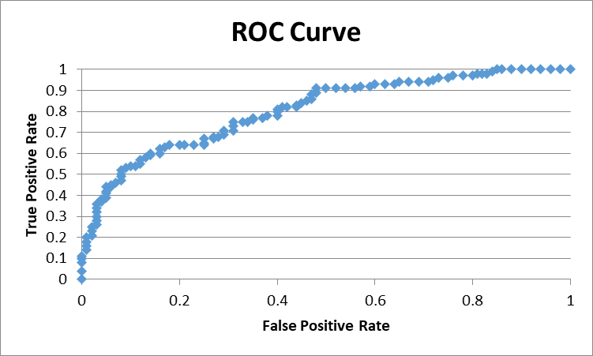
0519-XUZJU | 0 | 8.1 | 3.8 | 0 |  |  |  |  |  |  |  |  | BIC | 235.58457771
3387-PLKUI | 0 | 7.7 | 3.4 | 0
5671-UUNXD | 1 | 9.0 | 4.5 | 0 |  |  |  |  |  |  |  |  | Covariance matrix
1260-TTRXI | 1 | 8.6 | 4.0 | 0
9253-QXKBE | 0 | 6.1 | 6.4 | 0 |  |  |  |  |  |  |  |  | 2.69 | 0.14 | -0.20 | -0.23
1585-MQSSU | 0 | 5.8 | 5.8 | 0 |  |  |  |  |  |  |  |  | 0.14 | 0.13 | -0.02 | -0.01
3460-TJBWI | 0 | 8.2 | 3.1 | 0 |  |  |  |  |  |  |  |  | -0.20 | -0.02 | 0.02 | 0.01
4523-WXCEF | 1 | 9.9 | 6.7 | 1 |  |  |  |  |  |  |  |  | -0.23 | -0.01 | 0.01 | 0.03
1095-JUDTC | 0 | 7.7 | 3.4 | 0
5010-IPEAQ | 0 | 8.3 | 2.5 | 0 |  |  |  |  |  |  |  |  | Converge
5857-XRECV | 0 | 8.9 | 6.9 | 0
3845-FXCYS | 0 | 6.0 | 5.3 | 0 |  |  |  |  |  |  |  |  | 0.00
7153-CHRBV | 1 | 7.7 | 7.0 | 0 |  |  |  |  |  |  |  |  | 0.00
1468-DEFNC | 1 | 8.5 | 6.0 | 1 |  |  |  |  |  |  |  |  | 0.00
6379-RXJRQ | 1 | 8.2 | 6.0 | 1 |  |  |  |  |  |  |  |  | 0.00
2867-UIMSS | 0 | 9.4 | 4.7 | 1
2887-JPYLU | 1 | 5.7 | 5.1 | 1
7779-ORAEL | 0 | 9.7 | 4.7 | 0
3752-CQSJI | 1 | 9.5 | 6.6 | 1
3627-FCRDW | 1 | 9.2 | 5.8 | 1
5917-HBSDW | 1 | 9.2 | 5.8 | 1
4819-HJPIW | 0 | 7.9 | 4.8 | 1
4718-WXBGI | 1 | 7.6 | 4.2 | 1
5553-AOINX | 1 | 9.5 | 6.6 | 1
6218-KNUBD | 1 | 8.8 | 4.5 | 0
9638-JIQYA | 0 | 7.2 | 4.7 | 0
0644-OQMDK | 0 | 5.0 | 4.9 | 0
6096-EGVTU | 0 | 6.6 | 4.8 | 0
8654-DHAOW | 0 | 7.6 | 4.6 | 0
3154-CFSZG | 1 | 5.5 | 4.9 | 0
6646-VRFOL | 1 | 8.5 | 6.0 | 1
9000-PLFUZ | 1 | 8.8 | 4.5 | 0
7445-WMRBW | 0 | 5.9 | 6.2 | 1
2378-HTWFW | 1 | 8.2 | 6.0 | 0
2279-AXJJK | 1 | 9.7 | 6.1 | 1
4700-UBQMV | 1 | 5.5 | 8.2 | 1
3413-CSSTH | 1 | 9.9 | 6.7 | 1
9714-EDSUC | 0 | 5.2 | 5.0 | 0
5774-QPLTF | 1 | 7.6 | 4.2 | 1
3058-WQDRE | 0 | 7.6 | 5.4 | 0
1228-ZLNBX | 0 | 6.5 | 6.0 | 1
5095-AESKG | 0 | 8.7 | 3.8 | 0
9190-MFJLN | 0 | 7.3 | 6.1 | 0
0080-EMYVY | 1 | 9.7 | 6.1 | 1
4487-ZYJZK | 1 | 9.0 | 4.5 | 1
5349-IECLD | 0 | 7.6 | 5.4 | 1
0870-VEMYL | 1 | 9.6 | 7.8 | 1
6776-TLWOI | 1 | 5.1 | 7.8 | 1
4770-QAZXN | 0 | 5.9 | 5.5 | 0
1555-DJEQW | 0 | 7.6 | 4.6 | 0
4937-QPZPO | 1 | 9.9 | 6.7 | 1
4884-ZTHVF | 0 | 8.2 | 3.1 | 1
7609-NRNCA | 1 | 8.9 | 6.9 | 1
6383-ZTSIW | 0 | 7.1 | 4.5 | 0
6599-SFQVE | 1 | 10.0 | 4.5 | 1
5716-LIBJC | 0 | 9.7 | 4.7 | 0
7562-GSUHK | 0 | 9.1 | 4.5 | 0
3363-EWLGO | 0 | 6.7 | 4.9 | 0
2580-ATZSQ | 1 | 5.5 | 4.9 | 0
8319-QBEHW | 1 | 9.3 | 5.9 | 1
1397-XKKWR | 0 | 10.0 | 4.5 | 0
2868-LLSKM | 1 | 9.1 | 4.5 | 0
4077-CROMM | 1 | 7.4 | 4.8 | 0
3097-NQYSN | 1 | 8.6 | 4.0 | 0
4903-UYAVB | 0 | 6.6 | 6.6 | 0
5385-SUIRI | 0 | 6.4 | 5.0 | 0
2856-NNASM | 1 | 8.8 | 4.8 | 1
0118-JPNOY | 0 | 9.1 | 5.4 | 0
9625-QNLUX | 0 | 8.7 | 4.6 | 1
0224-NIJLP | 0 | 9.7 | 3.3 | 0
9881-VCZEP | 0 | 9.1 | 7.1 | 1
5025-GOOKI | 1 | 9.2 | 4.8 | 0
8859-DZTGQ | 0 | 6.4 | 5.7 | 0
7337-CINUD | 0 | 8.2 | 5.0 | 1
3039-MJSLN | 1 | 8.6 | 4.7 | 0
9090-SGQXL | 1 | 9.3 | 4.5 | 1
5081-NWSUP | 0 | 5.7 | 5.1 | 0
2868-MZAGQ | 1 | 9.1 | 4.6 | 1
4627-MIHJH | 1 | 9.2 | 4.8 | 1
6981-TDRFT | 0 | 6.3 | 6.6 | 0
5222-IMUKT | 0 | 9.9 | 3.5 | 1
3920-HIHMQ | 1 | 9.4 | 4.6 | 1
3069-SSVSN | 0 | 5.6 | 5.6 | 0
8559-CIZFV | 0 | 5.2 | 5.0 | 0
7568-PODML | 0 | 9.3 | 5.5 | 1
0401-WDBXM | 1 | 8.8 | 4.8 | 0
6595-YGXIT | 0 | 6.0 | 5.3 | 0
8364-TRMMK | 1 | 7.6 | 5.0 | 0
8085-MSNLK | 0 | 7.5 | 4.5 | 0
0356-ERHVT | 1 | 7.9 | 5.8 | 1
8990-YOZLV | 1 | 7.6 | 5.0 | 0
8573-CGOCC | 0 | 9.3 | 5.5 | 1
0475-RIJEP | 0 | 6.9 | 5.4 | 0
8097-OMULG | 0 | 8.7 | 3.8 | 0
9249-FXSCK | 1 | 7.4 | 4.8 | 0
4343-EJVQB | 0 | 7.2 | 4.7 | 0
8495-PRWFH | 1 | 9.6 | 7.8 | 1
4482-FTFFX | 0 | 5.8 | 5.8 | 1
2220-IAHLS | 1 | 6.3 | 5.9 | 1
2322-VCZHZ | 1 | 9.4 | 4.7 | 1
9795-NREXC | 1 | 9.3 | 5.9 | 1
2325-NBPZG | 0 | 6.9 | 5.4 | 1
2027-OAQQC | 1 | 9.6 | 7.8 | 1
3063-QFSZL | 0 | 7.1 | 5.9 | 0
0201-MIBOL | 0 | 9.7 | 3.3 | 1
0439-IFYUN | 1 | 9.3 | 6.3 | 1
5685-IIXLY | 0 | 6.4 | 4.5 | 0
0725-CXOTM | 0 | 6.2 | 5.1 | 0
6769-DYBQN | 1 | 5.5 | 8.2 | 1
3427-GGZZI | 0 | 6.3 | 6.6 | 0
4226-KKDON | 0 | 8.3 | 5.2 | 1
5649-TJHOV | 1 | 6.9 | 4.7 | 0
4833-QTJNO | 0 | 8.3 | 2.5 | 0
8650-RHRKE | 1 | 9.0 | 5.0 | 0
5614-DNZCE | 0 | 7.9 | 4.8 | 0
4377-VDHYI | 0 | 7.1 | 5.9 | 0
6286-SUUWT | 1 | 7.8 | 7.1 | 1
0282-NVSJS | 1 | 8.6 | 4.7 | 1
7110-BDTWG | 1 | 7.7 | 4.3 | 1
1658-XUHBX | 1 | 8.3 | 6.1 | 1
3726-TBHQT | 0 | 7.9 | 5.8 | 0
0020-JDNXP | 0 | 6.1 | 6.4 | 0
4896-CPRPF | 0 | 5.6 | 5.6 | 1
0871-URUWO | 1 | 9.2 | 6.2 | 1
0487-RPVUM | 1 | 9.4 | 4.9 | 1
3055-OYMSE | 1 | 6.9 | 4.7 | 1
3945-GFWQL | 0 | 9.9 | 3.5 | 1
9605-WGJVW | 1 | 7.7 | 4.3 | 1
5493-SDRDQ | 1 | 8.7 | 2.9 | 1
7356-AYNJP | 1 | 8.6 | 5.7 | 1
9526-BIHHD | 1 | 6.7 | 4.5 | 0
3308-DGHKL | 1 | 8.7 | 4.8 | 1
7711-GQBZC | 0 | 9.1 | 5.4 | 1
4458-KVRBJ | 1 | 7.4 | 6.9 | 1
7634-HLQJR | 0 | 8.3 | 5.2 | 1
4024-CSNBY | 0 | 6.4 | 5.0 | 0
2959-FENLU | 1 | 9.6 | 5.5 | 1
4132-POCZS | 1 | 7.4 | 6.9 | 1
6458-CYIDZ | 0 | 6.7 | 4.8 | 0
0909-SELIE | 1 | 9.7 | 6.1 | 0
4847-QNOKA | 0 | 6.7 | 4.9 | 0
7493-GVFIO | 0 | 7.5 | 4.5 | 0
7328-ZJAJO | 0 | 6.4 | 5.7 | 0
0071-NDAFP | 1 | 8.7 | 4.8 | 0
1871-MOWRM | 0 | 9.1 | 7.1 | 1
0178-CIIKR | 0 | 8.0 | 3.0 | 0
4250-ZBWLV | 0 | 6.2 | 5.1 | 0
6198-PNNSZ | 1 | 9.0 | 5.0 | 1
9812-GHVRI | 1 | 7.7 | 7.0 | 1
8757-TFHHJ | 0 | 6.5 | 6.0 | 0
3565-UNOCC | 0 | 7.1 | 4.5 | 0
9924-JPRMC | 0 | 6.7 | 4.5 | 0
9691-HKOVS | 0 | 6.4 | 5.3 | 0
0708-LGSMF | 0 | 8.2 | 5.0 | 0
9445-SZLCH | 0 | 5.9 | 5.5 | 1
7547-EKNFS | 0 | 5.9 | 6.2 | 1
1090-PYKCI | 0 | 6.4 | 4.5 | 0
3719-TDVQB | 0 | 6.7 | 6.8 | 1
0690-SRQID | 0 | 5.0 | 4.9 | 0
7542-CYDDM | 1 | 9.6 | 7.8 | 1
0613-WUXUM | 0 | 8.0 | 4.7 | 1
3896-RCYYE | 1 | 9.4 | 4.6 | 1
0440-MOGPM | 1 | 8.7 | 4.6 | 1
4698-KVLLG | 1 | 6.3 | 5.9 | 1
3317-VLGQT | 0 | 8.1 | 3.8 | 0
6685-XSHHU | 0 | 9.9 | 4.5 | 1
4009-ALQFH | 1 | 7.8 | 7.1 | 0
8775-LHDJH | 0 | 9.9 | 4.8 | 1
3982-XWFZQ | 0 | 6.6 | 6.6 | 0
4079-ULGFR | 1 | 9.3 | 6.3 | 1
1689-YQBYY | 0 | 8.7 | 2.9 | 0
4789-KWMXN | 1 | 9.7 | 6.1 | 1
0956-ACVZC | 0 | 6.5 | 3.7 | 0
5438-QMDDL | 1 | 9.2 | 6.2 | 1
0916-KNFAJ | 1 | 9.4 | 4.9 | 1
7325-ENZFI | 0 | 6.7 | 4.8 | 1
0623-EJQEG | 1 | 8.4 | 5.9 | 1
4003-FUSHP | 1 | 9.9 | 6.7 | 1
6013-BHCAW | 1 | 8.4 | 5.9 | 1
0057-QBUQH | 0 | 8.0 | 3.0 | 0
8901-UPRHR | 1 | 9.9 | 4.5 | 1
3797-VTIDR | 0 | 5.7 | 6.0 | 0

2.b
 |  |  | -8.34+1.06*Dist_Channel+0.56*Quality+0.67*Brand_Image

Quality | Brand_Image | Dist_Channel (1) | PP (Dist_Channel =1) | Disc_Channel(0) | PP (Dist_Channel=0)
1 | 10 | 1 | 0.49500016666 | 0 | 0.25350601666
2 | 10 | 1 | 0.63181241774 | 0 | 0.37285223369
3 | 10 | 1 | 0.7502601056 | 0 | 0.50999866688
4 | 10 | 1 | 0.84023800306 | 0 | 0.64565630623
5 | 10 | 1 | 0.9020311957 | 0 | 0.76133271484
6 | 10 | 1 | 0.94158544446 | 0 | 0.84812883634
7 | 10 | 1 | 0.96577584231 | 0 | 0.90720704688
8 | 10 | 1 | 0.98015969427 | 0 | 0.94479946222
9 | 10 | 1 | 0.98856979687 | 0 | 0.9677045353
10 | 10 | 1 | 0.99343880687 | 0 | 0.98129349005

Predicted Probability of Recommending K-Olive
 | Quality | PP (Dist_Channel =1) | PP (Dist_Channel=0)
 | 1 | 0.00068871091407 | 0.25350601666
 | 2 | 0.0019852959767 | 0.37285223369
 | 3 | 0.005708920777 | 0.50999866688
 | 4 | 0.016302499371 | 0.64565630623
 | 5 | 0.045651170784 | 0.76133271484
 | 6 | 0.12131883789 | 0.84812883634
 | 7 | 0.2849578943 | 0.90720704688
 | 8 | 0.53494294516 | 0.94479946222
 | 9 | 0.7685247835 | 0.9677045353
 | 10 | 0.90550963105 | 0.98129349005

Demand Planing
t |  |  | Yt |  | Baseline | St, It | St | Yt / St | Tt | St × Tt
Time | Year | Quarter | Olives Jars (400g) | 4 MA | 4 Centered MA | Ratio (Obs/MA) | Index | Deseasonalised | Trend | Forecast | Observed | APE | Forecast
1 | 2016 | Q1 | 1175 |  |  |  | 0.97114727493 | 1209.9091768 | 1261.02 |  | 1175 | 0.040531334286 | 1224.6361366
2 |  | Q2 | 1227 |  |  |  | 0.96541538241 | 1270.9555103 | 1284.04 |  | 1227 | 0.010190095094 | 1239.6319676 | Quarter | 1 | 2 | 3 | 4
3 |  | Q3 | 1536 | 1267.5 | 1280.5 | 1.199531433 | 1.1824622485 | 1298.9843878 | 1307.06 |  | 1536 | 0.0061784556355 | 1545.5491066 |  |  |  | 1.200 | 0.874
4 |  | Q4 | 1132 | 1293.5 | 1295 | 0.87413127413 | 0.88097509411 | 1284.939844 | 1330.08 |  | 1132 | 0.033937925533 | 1171.7673532 |  | 0.977 | 0.925 | 1.186 | 0.874
5 | 2017 | Q1 | 1279 | 1296.5 | 1309.5 | 0.97670866743 | 0.97114727493 | 1316.9990104 | 1353.1 |  | 1279 | 0.026680208141 | 1314.0593777 |  | 0.989 | 0.970 | 1.220 | 0.846
6 |  | Q2 | 1239 | 1322.5 | 1338.875 | 0.9254037905 | 0.96541538241 | 1283.385393 | 1376.12 |  | 1239 | 0.067388459556 | 1328.527416 |  | 0.989 | 0.986 | 1.175 | 0.847
7 |  | Q3 | 1640 | 1355.25 | 1382.75 | 1.186042307 | 1.1824622485 | 1386.9364557 | 1399.14 |  | 1640 | 0.0087221752652 | 1654.4302304 |  | 0.956 | 0.981 | 1.192 | 0.909
8 |  | Q4 | 1263 | 1410.25 | 1445 | 0.87404844291 | 0.88097509411 | 1433.6387129 | 1422.16 |  | 1263 | 0.0080713231148 | 1252.8875398 |  | 0.942 | 0.940 | 1.172 | 0.883
9 | 2018 | Q1 | 1499 | 1479.75 | 1516.125 | 0.98870475719 | 0.97114727493 | 1543.5351967 | 1445.18 |  | 1499 | 0.068057402307 | 1403.4826188 |  | 0.987 | 0.983 | 1.167 | 0.911
10 |  | Q2 | 1517 | 1552.5 | 1563.25 | 0.97041420118 | 0.96541538241 | 1571.3443432 | 1468.2 |  | 1517 | 0.070252243025 | 1417.4228645 |  | 0.975 | 0.971 | 1.150 | 0.899
11 |  | Q3 | 1931 | 1574 | 1582.75 | 1.2200284315 | 1.1824622485 | 1633.0331073 | 1491.22 |  | 1931 | 0.095098716011 | 1763.3113543 |  | 0.950 | 0.960 | 1.173 |  | SUM
12 |  | Q4 | 1349 | 1591.5 | 1595.375 | 0.84556922354 | 0.88097509411 | 1531.2578176 | 1514.24 |  | 1349 | 0.011238520735 | 1334.0077265 | Average | 0.970 | 0.965 | 1.182 | 0.880 | 3.997
13 | 2019 | Q1 | 1569 | 1599.25 | 1586.75 | 0.98881361273 | 0.97114727493 | 1615.6148923 | 1537.26 |  | 1569 | 0.050970487951 | 1492.9058599 | Indices | 0.971 | 0.965 | 1.182 | 0.881 | 4.000
14 |  | Q2 | 1548 | 1574.25 | 1570.375 | 0.98575181087 | 0.96541538241 | 1603.4548736 | 1560.28 |  | 1548 | 0.027671234409 | 1506.3183129
15 |  | Q3 | 1831 | 1566.5 | 1558.875 | 1.1745649908 | 1.1824622485 | 1548.4638112 | 1583.3 |  | 1831 | 0.022002266651 | 1872.1924781
Forecasting Orders
 | Olives Jars (400g) | 4 Centered MA | Deseasonalised | Forecast
Q1 | 1175 |  | 1209.9091768
Q2 | 1227 |  | 1270.9555103
Q3 | 1536 | 1280.5 | 1298.9843878
Q4 | 1132 | 1295 | 1284.939844
Q1 | 1279 | 1309.5 | 1316.9990104
Q2 | 1239 | 1338.875 | 1283.385393
Q3 | 1640 | 1382.75 | 1386.9364557
Q4 | 1263 | 1445 | 1433.6387129
Q1 | 1499 | 1516.125 | 1543.5351967
Q2 | 1517 | 1563.25 | 1571.3443432
Q3 | 1931 | 1582.75 | 1633.0331073
Q4 | 1349 | 1595.375 | 1531.2578176
Q1 | 1569 | 1586.75 | 1615.6148923
Q2 | 1548 | 1570.375 | 1603.4548736
Q3 | 1831 | 1558.875 | 1548.4638112
Q4 | 1318 | 1556.125 | 1496.0695357
Q1 | 1508 | 1577.625 | 1552.8025861
Q2 | 1587 | 1617.25 | 1643.8519925
Q3 | 1964 | 1647 | 1660.940975
Q4 | 1502 | 1652.5 | 1704.9290156
Q1 | 1562 | 1658.625 | 1608.4069227
Q2 | 1577 | 1677.375 | 1633.4937569
Q3 | 2023 | 1725.625 | 1710.8368597
Q4 | 1593 | 1804.375 | 1808.2236497
Q1 | 1857 | 1881.875 | 1912.1713544
Q2 | 1912 | 1944.125 | 1980.4946501
Q3 | 2308 | 1978.5 | 1951.8593535
Q4 | 1806 | 1983.375 | 2050.0011999
Q1 | 1919 | 1968.375 | 1976.0133705
Q2 | 1889 | 1945.375 | 1956.6707082
Q3 | 2211 | 1923.375 | 1869.8271363
Q4 | 1719 | 1911.125 | 1951.2469893
Q1 | 1830 | 1926.625 | 1884.3691861
Q2 | 1880 | 1958.25 | 1947.3482961
Q3 | 2344 | 1998 | 1982.3043001
Q4 | 1839 |  | 2087.4596936
Q1 | 2028 |  | 2088.2517537 | 2028
Q2 |  |  |  | 2039.6910033
Q3 |  |  |  | 2525.4792212
Q4 |  |  |  | 1901.8490332
Q1 |  |  |  | 2118.8685474
16 |  | Q4 | 1318 | 1551.25 | 1556.125 | 0.8469756607 | 0.88097509411 | 1496.0695357 | 1606.32 |  | 1318 | 0.068635430244 | 1415.1279132
17 | 2020 | Q1 | 1508 | 1561 | 1577.625 | 0.95586720545 | 0.97114727493 | 1552.8025861 | 1629.34 |  | 1508 | 0.046974488992 | 1582.3291009
18 |  | Q2 | 1587 | 1594.25 | 1617.25 | 0.98129540887 | 0.96541538241 | 1643.8519925 | 1652.36 |  | 1587 | 0.0051490035265 | 1595.2137613
19 |  | Q3 | 1964 | 1640.25 | 1647 | 1.1924711597 | 1.1824622485 | 1660.940975 | 1675.38 |  | 1964 | 0.0086183582255 | 1981.073602
20 |  | Q4 | 1502 | 1653.75 | 1652.5 | 0.90892586989 | 0.88097509411 | 1704.9290156 | 1698.4 |  | 1502 | 0.0038442155176 | 1496.2480998
21 | 2021 | Q1 | 1562 | 1651.25 | 1658.625 | 0.94174391439 | 0.97114727493 | 1608.4069227 | 1721.42 |  | 1562 | 0.065651077167 | 1671.752342
22 |  | Q2 | 1577 | 1666 | 1677.375 | 0.94015947537 | 0.96541538241 | 1633.4937569 | 1744.44 |  | 1577 | 0.06359991922 | 1684.1092097
23 |  | Q3 | 2023 | 1688.75 | 1725.625 | 1.1723288664 | 1.1824622485 | 1710.8368597 | 1767.46 |  | 2023 | 0.032036447963 | 2089.9547258
24 |  | Q4 | 1593 | 1762.5 | 1804.375 | 0.88285417388 | 0.88097509411 | 1808.2236497 | 1790.48 |  | 1593 | 0.0099099960559 | 1577.3682865
25 | 2022 | Q1 | 1857 | 1846.25 | 1881.875 | 0.98678180007 | 0.97114727493 | 1912.1713544 | 1813.5 |  | 1857 | 0.05440934898 | 1761.1755831
26 |  | Q2 | 1912 | 1917.5 | 1944.125 | 0.98347585675 | 0.96541538241 | 1980.4946501 | 1836.52 |  | 1912 | 0.078395361939 | 1773.0046581
27 |  | Q3 | 2308 | 1970.75 | 1978.5 | 1.1665403083 | 1.1824622485 | 1951.8593535 | 1859.54 |  | 2308 | 0.049646339153 | 2198.8358497
28 |  | Q4 | 1806 | 1986.25 | 1983.375 | 0.91056910569 | 0.88097509411 | 2050.0011999 | 1882.56 |  | 1806 | 0.088943353673 | 1658.4884732
29 | 2023 | Q1 | 1919 | 1980.5 | 1968.375 | 0.97491585699 | 0.97114727493 | 1976.0133705 | 1905.58 |  | 1919 | 0.036961644494 | 1850.5988242
30 |  | Q2 | 1889 | 1956.25 | 1945.375 | 0.97102101137 | 0.96541538241 | 1956.6707082 | 1928.6 |  | 1889 | 0.014554966394 | 1861.9001065
31 |  | Q3 | 2211 | 1934.5 | 1923.375 | 1.149541821 | 1.1824622485 | 1869.8271363 | 1951.62 |  | 2211 | 0.041910240563 | 2307.7169735
32 |  | Q4 | 1719 | 1912.25 | 1911.125 | 0.89947020734 | 0.88097509411 | 1951.2469893 | 1974.64 |  | 1719 | 0.0118467218 | 1739.6086598
33 | 2024 | Q1 | 1830 | 1910 | 1926.625 | 0.9498475313 | 0.97114727493 | 1884.3691861 | 1997.66 |  | 1830 | 0.056711759731 | 1940.0220652
34 |  | Q2 | 1880 | 1943.25 | 1958.25 | 0.9600408528 | 0.96541538241 | 1947.3482961 | 2020.68 |  | 1880 | 0.036290607057 | 1950.7955549
35 |  | Q3 | 2344 | 1973.25 | 1998 | 1.1731731732 | 1.1824622485 | 1982.3043001 | 2043.7 |  | 2344 | 0.030041444391 | 2416.5980974
36 |  | Q4 | 1839 | 2022.75 |  |  | 0.88097509411 | 2087.4596936 | 2066.72 |  | 1839 | 0.010035076632 | 1820.7288465
37 | 2025 | Q1 | 2028 |  |  |  | 0.97114727493 | 2088.2517537 | 2089.74 | 2028 | 2028 | 0.00071216815119 | 2029.4453063
38 |  | Q2 |  |  |  |  | 0.96541538241 |  | 2112.76 | 2039.6910033 |  |  | 2039.6910033
39 |  | Q3 |  |  |  |  | 1.1824622485 |  | 2135.78 | 2525.4792212 |  |  | 2525.4792212
40 |  | Q4 |  |  |  |  | 0.88097509411 |  | 2158.8 | 1901.8490332 |  |  | 1901.8490332
41 | 2026 | Q1 |  |  |  |  | 0.97114727493 |  | 2181.82 | 2118.8685474 |  |  | 2118.8685474

 |  |  |  |  |  |  |  |  |  |  | MAPE | 3.68%

